Date of Payment Per Customer
Customer ID | Customer Name | City | Country | Amount Paid | Date
416 | Jeffery Pinson | Dadu | Pakistan | 2.99 | 2007-02-14 21:21:59
516 | Elmer Noe | Battambang | Cambodia | 4.99 | 2007-02-14 21:23:39
239 | Minnie Romero | Ciomas | Indonesia | 4.99 | 2007-02-14 21:29:00
592 | Terrance Roush | Szkesfehrvr | Hungary | 6.99 | 2007-02-14 21:41:12 | SQL Query For Getting Date of Payment Per Customer
49 | Joyce Edwards | Jedda | Saudi Arabia | 0.99 | 2007-02-14 21:44:52
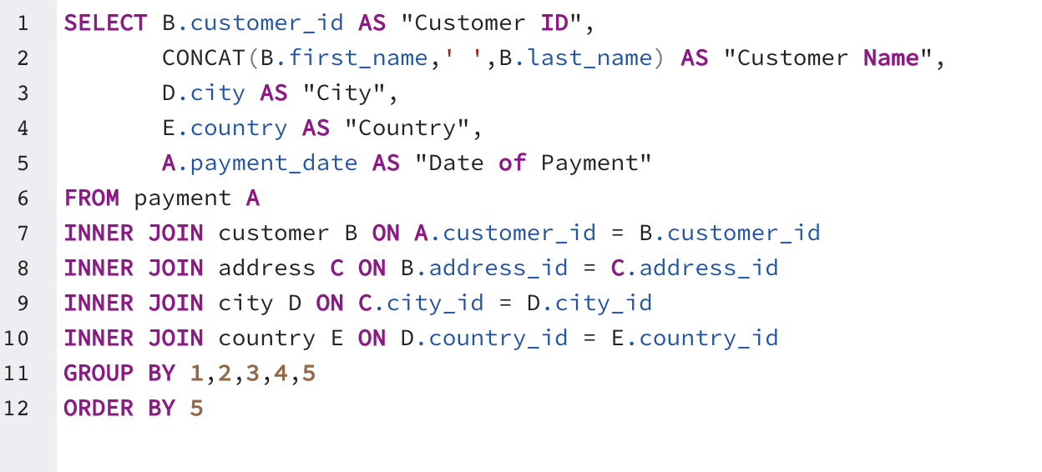
264 | Gwendolyn May | Higashiosaka | Japan | 3.99 | 2007-02-14 21:44:53
46 | Catherine Campbell | Moscow | Russian Federation | 4.99 | 2007-02-14 21:45:29
481 | Herman Devore | Mwanza | Tanzania | 2.99 | 2007-02-14 22:03:35
139 | Amber Dixon | Touliu | Taiwan | 2.99 | 2007-02-14 22:11:22
595 | Terrence Gunderson | Jinzhou | China | 2.99 | 2007-02-14 22:16:01
191 | Jeanette Greene | Novoterkassk | Russian Federation | 2.99 | 2007-02-14 22:23:12
95 | Paula Bryant | Pathankot | India | 2.99 | 2007-02-14 22:41:17
197 | Sue Peters | Changzhou | China | 2.99 | 2007-02-14 22:43:41
512 | Cecil Vines | London | United Kingdom | 6.99 | 2007-02-14 22:57:03
210 | Ella Oliver | Aden | Yemen | 2.99 | 2007-02-14 23:01:30
119 | Sherry Marshall | Shubra al-Khayma | Egypt | 7.99 | 2007-02-14 23:05:16
432 | Edwin Burk | Newcastle | South Africa | 5.99 | 2007-02-14 23:07:27
546 | Kelly Knott | Sanya | China | 1.99 | 2007-02-14 23:10:43
196 | Alma Austin | Mannheim | Germany | 5.99 | 2007-02-14 23:13:47
1 | Mary Smith | Sasebo | Japan | 5.99 | 2007-02-14 23:22:38
368 | Harry Arce | Najafabad | Iran | 0.99 | 2007-02-14 23:25:11
173 | Audrey Ray | Graz | Austria | 2.99 | 2007-02-14 23:32:33
244 | Viola Hanson | Lapu-Lapu | Philippines | 6.99 | 2007-02-14 23:32:48
370 | Wayne Truong | Gulbarga | India | 6.99 | 2007-02-14 23:33:58
186 | Holly Fox | Haldia | India | 4.99 | 2007-02-14 23:47:05
561 | Ian Still | Garland | United States | 2.99 | 2007-02-14 23:52:46
402 | Luis Yanez | Brest | France | 4.99 | 2007-02-14 23:53:34
84 | Sara Perry | Atlixco | Mexico | 0.99 | 2007-02-15 00:06:04
52 | Julie Sanchez | A Corua (La Corua) | Spain | 4.99 | 2007-02-15 00:06:57
349 | Joe Gilliland | Imus | Philippines | 2.99 | 2007-02-15 00:11:12
491 | Rick Mattox | Mit Ghamr | Egypt | 2.99 | 2007-02-15 00:17:24
238 | Nellie Garrett | Shimoga | India | 2.99 | 2007-02-15 00:27:16
516 | Elmer Noe | Battambang | Cambodia | 1.99 | 2007-02-15 00:28:17
209 | Tonya Chapman | Bhilwara | India | 4.99 | 2007-02-15 00:34:54
451 | Jim Rea | El Fuerte | Mexico | 0.99 | 2007-02-15 00:36:30
452 | Tom Milner | Abu Dhabi | United Arab Emirates | 4.99 | 2007-02-15 00:37:28
249 | Dora Medina | Tianjin | China | 0.99 | 2007-02-15 00:50:12
264 | Gwendolyn May | Higashiosaka | Japan | 4.99 | 2007-02-15 00:55:33
430 | Ray Houle | Dzerzinsk | Russian Federation | 0.99 | 2007-02-15 00:55:34
376 | Randy Gaither | Kurgan | Russian Federation | 0.99 | 2007-02-15 00:58:29
146 | Jamie Rice | Sterling Heights | United States | 7.99 | 2007-02-15 00:59:38
345 | Carl Artis | San Lorenzo | Paraguay | 0.99 | 2007-02-15 01:26:17
122 | Thelma Murray | Lima | Peru | 0.99 | 2007-02-15 01:29:46
371 | Billy Poulin | Cabuyao | Philippines | 2.99 | 2007-02-15 01:31:59
94 | Norma Gonzales | Bislig | Philippines | 2.99 | 2007-02-15 01:42:31
46 | Catherine Campbell | Moscow | Russian Federation | 4.99 | 2007-02-15 01:47:06
102 | Crystal Ford | Ashdod | Israel | 2.99 | 2007-02-15 01:49:26
100 | Robin Hayes | Jelets | Russian Federation | 4.99 | 2007-02-15 01:52:14
203 | Tara Ryan | Gorontalo | Indonesia | 4.99 | 2007-02-15 01:52:40
371 | Billy Poulin | Cabuyao | Philippines | 1.99 | 2007-02-15 01:53:10
403 | Mike Way | Valparai | India | 4.99 | 2007-02-15 02:03:42
168 | Regina Berry | Jinchang | China | 4.99 | 2007-02-15 02:07:15
50 | Diane Collins | Omdurman | Sudan | 2.99 | 2007-02-15 02:07:19
369 | Fred Wheat | Jurez | Mexico | 0.99 | 2007-02-15 02:12:51
434 | Eddie Tomlin | Ozamis | Philippines | 0.99 | 2007-02-15 02:14:01
409 | Rodney Moeller | Deba Habe | Nigeria | 5.99 | 2007-02-15 02:14:36
428 | Herbert Kruger | Syktyvkar | Russian Federation | 3.99 | 2007-02-15 02:18:29
398 | Antonio Meek | Bag | Brazil | 2.99 | 2007-02-15 02:19:02
468 | Tim Cary | Bijapur | India | 2.99 | 2007-02-15 02:21:39
447 | Clifford Bowens | Nabereznyje Telny | Russian Federation | 0.99 | 2007-02-15 02:32:35
391 | Clarence Gamez | Izumisano | Japan | 0.99 | 2007-02-15 02:46:36
550 | Guy Brownlee | Zhoushan | China | 6.99 | 2007-02-15 02:47:03
529 | Erik Guillen | Bhimavaram | India | 1.99 | 2007-02-15 02:50:18
255 | Irma Pearson | Hagonoy | Philippines | 2.99 | 2007-02-15 02:59:54
66 | Janice Ward | Malm | Sweden | 2.99 | 2007-02-15 03:02:53
49 | Joyce Edwards | Jedda | Saudi Arabia | 9.99 | 2007-02-15 03:12:36
205 | Eileen Carr | Ciudad del Este | Paraguay | 2.99 | 2007-02-15 03:17:34
444 | Marcus Hidalgo | Tartu | Estonia | 0.99 | 2007-02-15 03:21:27
28 | Cynthia Young | Munger (Monghyr) | India | 2.99 | 2007-02-15 03:26:33
62 | Joan Cooper | Saint Louis | United States | 6.99 | 2007-02-15 03:28:09
141 | Debbie Reyes | Fukuyama | Japan | 7.99 | 2007-02-15 03:33:33
107 | Florence Woods | Merlo | Argentina | 2.99 | 2007-02-15 03:35:58
515 | Andre Rapp | Coquimbo | Chile | 4.99 | 2007-02-15 03:37:06
234 | Claudia Fuller | Jalib al-Shuyukh | Kuwait | 3.99 | 2007-02-15 03:37:27
357 | Keith Rico | Bratislava | Slovakia | 5.99 | 2007-02-15 03:39:45
544 | Cody Nolen | So Bernardo do Campo | Brazil | 1.99 | 2007-02-15 04:02:18
403 | Mike Way | Valparai | India | 8.99 | 2007-02-15 04:06:35
38 | Martha Gonzalez | Chisinau | Moldova | 2.99 | 2007-02-15 04:24:06
442 | Leroy Bustamante | Tongliao | China | 5.99 | 2007-02-15 04:27:21
89 | Julia Flores | La Plata | Argentina | 8.99 | 2007-02-15 04:33:44
498 | Gene Sanborn | Salala | Oman | 6.99 | 2007-02-15 04:34:59
571 | Johnnie Chisholm | Plock | Poland | 4.99 | 2007-02-15 04:39:42
526 | Karl Seal | Cape Coral | United States | 4.99 | 2007-02-15 04:42:11
470 | Gordon Allard | Hodeida | Yemen | 0.99 | 2007-02-15 04:42:23
267 | Margie Wade | Lengshuijiang | China | 4.99 | 2007-02-15 04:44:02
570 | Ivan Cromwell | Monclova | Mexico | 4.99 | 2007-02-15 05:06:21
586 | Kirk Stclair | Tsaotun | Taiwan | 2.99 | 2007-02-15 05:10:51
95 | Paula Bryant | Pathankot | India | 1.99 | 2007-02-15 05:21:23
236 | Marcia Dean | Tanza | Philippines | 0.99 | 2007-02-15 05:23:19
540 | Tyrone Asher | Ruse | Bulgaria | 2.99 | 2007-02-15 05:25:05
439 | Alexander Fennell | Bergamo | Italy | 4.99 | 2007-02-15 05:28:05
163 | Cathy Spencer | Kakamigahara | Japan | 4.99 | 2007-02-15 05:29:16
96 | Diana Alexander | Augusta-Richmond County | United States | 3.99 | 2007-02-15 05:40:05
509 | Raul Fortier | Chapra | India | 2.99 | 2007-02-15 05:49:47
142 | April Burns | Dundee | United Kingdom | 1.99 | 2007-02-15 05:57:56
59 | Cheryl Murphy | Mysore | India | 2.99 | 2007-02-15 05:58:25
395 | Johnny Turpin | al-Qadarif | Sudan | 0.99 | 2007-02-15 05:58:48
560 | Jordan Archuleta | Avellaneda | Argentina | 4.99 | 2007-02-15 06:00:50
135 | Juanita Mason | Pune | India | 0.99 | 2007-02-15 06:11:24
530 | Darryl Ashcraft | Ezeiza | Argentina | 1.99 | 2007-02-15 06:21:01
430 | Ray Houle | Dzerzinsk | Russian Federation | 2.99 | 2007-02-15 06:21:18
214 | Kristin Johnston | Sunnyvale | United States | 4.99 | 2007-02-15 06:24:09
388 | Craig Morrell | Cavite | Philippines | 6.99 | 2007-02-15 06:28:39
464 | Jerome Kenyon | Rancagua | Chile | 4.99 | 2007-02-15 06:29:55
191 | Jeanette Greene | Novoterkassk | Russian Federation | 0.99 | 2007-02-15 06:37:38
183 | Ida Andrews | Luzinia | Brazil | 0.99 | 2007-02-15 06:42:23
266 | Nora Herrera | Salzburg | Austria | 5.99 | 2007-02-15 06:44:32
511 | Chester Benner | Suihua | China | 2.99 | 2007-02-15 06:50:05
539 | Mathew Bolin | Valencia | Venezuela | 3.99 | 2007-02-15 06:53:59
470 | Gordon Allard | Hodeida | Yemen | 0.99 | 2007-02-15 06:55:56
463 | Darrell Power | Halifax | Canada | 2.99 | 2007-02-15 06:55:59
254 | Maxine Silva | Poos de Caldas | Brazil | 2.99 | 2007-02-15 07:01:32
179 | Dana Hart | Kirovo-Tepetsk | Russian Federation | 7.99 | 2007-02-15 07:09:39
104 | Rita Graham | Toulon | France | 3.99 | 2007-02-15 07:10:04
456 | Ronnie Ricketts | Ziguinchor | Senegal | 2.99 | 2007-02-15 07:10:18
522 | Arnold Havens | Santa Rosa | Philippines | 3.99 | 2007-02-15 07:12:35
540 | Tyrone Asher | Ruse | Bulgaria | 4.99 | 2007-02-15 07:21:10
176 | June Carroll | Skikda | Algeria | 5.99 | 2007-02-15 07:23:27
178 | Marion Snyder | Santa Brbara dOeste | Brazil | 6.99 | 2007-02-15 07:32:18
127 | Elaine Stevens | Smolensk | Russian Federation | 4.99 | 2007-02-15 07:34:50
449 | Oscar Aquino | Sirjan | Iran | 4.99 | 2007-02-15 07:45:46
200 | Jeanne Lawson | Ashgabat | Turkmenistan | 1.99 | 2007-02-15 07:52:25
4 | Barbara Jones | Myingyan | Myanmar | 4.99 | 2007-02-15 07:59:54
91 | Lois Butler | Bandar Seri Begawan | Brunei | 4.99 | 2007-02-15 08:03:16
186 | Holly Fox | Haldia | India | 2.99 | 2007-02-15 08:04:45
33 | Anna Hill | Alessandria | Italy | 10.99 | 2007-02-15 08:14:59
365 | Bruce Schwarz | Okinawa | Japan | 1.99 | 2007-02-15 08:24:23
242 | Glenda Frazier | Qinhuangdao | China | 4.99 | 2007-02-15 08:24:28
8 | Susan Wilson | Hamilton | New Zealand | 2.99 | 2007-02-15 08:27:42
524 | Jared Ely | Purwakarta | Indonesia | 1.99 | 2007-02-15 08:27:50
507 | Edgar Rhoads | Eskisehir | Turkey | 4.99 | 2007-02-15 08:34:41
236 | Marcia Dean | Tanza | Philippines | 5.99 | 2007-02-15 08:36:14
200 | Jeanne Lawson | Ashgabat | Turkmenistan | 4.99 | 2007-02-15 08:39:15
27 | Shirley Allen | Davao | Philippines | 4.99 | 2007-02-15 08:40:08
448 | Miguel Betancourt | Erlangen | Germany | 5.99 | 2007-02-15 08:47:00
538 | Ted Breaux | Baicheng | China | 5.99 | 2007-02-15 08:50:11
405 | Leonard Schofield | Tandil | Argentina | 4.99 | 2007-02-15 08:51:34
138 | Hazel Warren | Hohhot | China | 0.99 | 2007-02-15 08:54:49
190 | Yolanda Weaver | Tabora | Tanzania | 2.99 | 2007-02-15 09:07:31
84 | Sara Perry | Atlixco | Mexico | 4.99 | 2007-02-15 09:10:39
204 | Rosemary Schmidt | Usak | Turkey | 2.99 | 2007-02-15 09:17:43
217 | Agnes Bishop | Sambhal | India | 2.99 | 2007-02-15 09:23:35
187 | Brittany Riley | Sumy | Ukraine | 6.99 | 2007-02-15 09:23:43
394 | Chris Brothers | Gijn | Spain | 4.99 | 2007-02-15 09:31:11
193 | Katie Elliott | Kisumu | Kenya | 4.99 | 2007-02-15 09:31:50
548 | Allan Cornish | Tarlac | Philippines | 1.99 | 2007-02-15 09:36:05
539 | Mathew Bolin | Valencia | Venezuela | 0.99 | 2007-02-15 09:40:05
359 | Willie Markham | Almirante Brown | Argentina | 4.99 | 2007-02-15 09:53:32
587 | Sergio Stanfield | Celaya | Mexico | 2.99 | 2007-02-15 09:57:43
116 | Victoria Gibson | Pemalang | Indonesia | 0.99 | 2007-02-15 10:04:27
64 | Judith Cox | Daxian | China | 0.99 | 2007-02-15 10:19:56
465 | Floyd Gandy | Zapopan | Mexico | 2.99 | 2007-02-15 10:41:08
25 | Deborah Walker | Shikarpur | Pakistan | 4.99 | 2007-02-15 10:46:00
162 | Lauren Hudson | Le Mans | France | 4.99 | 2007-02-15 10:50:22
100 | Robin Hayes | Jelets | Russian Federation | 3.99 | 2007-02-15 10:52:41
344 | Henry Billingsley | Nukualofa | Tonga | 3.99 | 2007-02-15 10:54:44
427 | Jesus Mccartney | Guaruj | Brazil | 5.99 | 2007-02-15 10:54:47
416 | Jeffery Pinson | Dadu | Pakistan | 4.99 | 2007-02-15 10:55:45
585 | Perry Swafford | Quilmes | Argentina | 0.99 | 2007-02-15 10:58:07
585 | Perry Swafford | Quilmes | Argentina | 7.99 | 2007-02-15 11:08:18
190 | Yolanda Weaver | Tabora | Tanzania | 2.99 | 2007-02-15 11:12:09
196 | Alma Austin | Mannheim | Germany | 2.99 | 2007-02-15 11:13:56
267 | Margie Wade | Lengshuijiang | China | 4.99 | 2007-02-15 11:17:28
484 | Roberto Vu | Yinchuan | China | 3.99 | 2007-02-15 11:19:29
480 | Corey Hauser | Gaziantep | Turkey | 0.99 | 2007-02-15 11:42:02
83 | Louise Jenkins | Springs | South Africa | 5.99 | 2007-02-15 11:42:15
499 | Marc Outlaw | Brindisi | Italy | 2.99 | 2007-02-15 11:42:25
212 | Wilma Richards | Bellevue | United States | 0.99 | 2007-02-15 11:45:27
205 | Eileen Carr | Ciudad del Este | Paraguay | 4.99 | 2007-02-15 11:54:49
442 | Leroy Bustamante | Tongliao | China | 0.99 | 2007-02-15 11:57:14
353 | Jonathan Scarborough | Pachuca de Soto | Mexico | 2.99 | 2007-02-15 11:58:56
14 | Betty White | Citrus Heights | United States | 4.99 | 2007-02-15 12:00:41
115 | Wendy Harrison | Nezahualcyotl | Mexico | 0.99 | 2007-02-15 12:06:04
98 | Lillian Griffin | al-Ayn | United Arab Emirates | 3.99 | 2007-02-15 12:21:58
197 | Sue Peters | Changzhou | China | 0.99 | 2007-02-15 12:33:37
400 | Bryan Hardison | Dallas | United States | 0.99 | 2007-02-15 12:33:58
25 | Deborah Walker | Shikarpur | Pakistan | 2.99 | 2007-02-15 12:38:21
576 | Morris Mccarter | Fengshan | Taiwan | 4.99 | 2007-02-15 12:49:26
94 | Norma Gonzales | Bislig | Philippines | 4.99 | 2007-02-15 12:53:43
222 | Delores Hansen | Jaroslavl | Russian Federation | 8.99 | 2007-02-15 12:56:13
221 | Bessie Morrison | Syrakusa | Italy | 0.99 | 2007-02-15 12:57:40
396 | Earl Shanks | Iwatsuki | Japan | 1.99 | 2007-02-15 12:59:31
491 | Rick Mattox | Mit Ghamr | Egypt | 4.99 | 2007-02-15 13:06:41
108 | Tracy Cole | Huixquilucan | Mexico | 4.99 | 2007-02-15 13:14:14
51 | Alice Stewart | Fontana | United States | 1.99 | 2007-02-15 13:16:30
120 | Sylvia Ortiz | Dos Quebradas | Colombia | 3.99 | 2007-02-15 13:18:20
500 | Reginald Kinder | Madiun | Indonesia | 5.99 | 2007-02-15 13:23:22
215 | Jessie Banks | Stara Zagora | Bulgaria | 4.99 | 2007-02-15 13:27:32
245 | Courtney Day | Uijongbu | South Korea | 2.99 | 2007-02-15 13:30:29
253 | Terry Carlson | Miyakonojo | Japan | 1.99 | 2007-02-15 13:31:41
212 | Wilma Richards | Bellevue | United States | 0.99 | 2007-02-15 13:33:36
158 | Veronica Stone | Greensboro | United States | 0.99 | 2007-02-15 13:41:36
455 | Jon Wiles | El Alto | Bolivia | 1.99 | 2007-02-15 13:46:34
379 | Carlos Coughlin | Bhavnagar | India | 8.99 | 2007-02-15 13:48:32
242 | Glenda Frazier | Qinhuangdao | China | 4.99 | 2007-02-15 13:50:29
396 | Earl Shanks | Iwatsuki | Japan | 4.99 | 2007-02-15 13:56:49
500 | Reginald Kinder | Madiun | Indonesia | 5.99 | 2007-02-15 14:17:07
472 | Greg Robins | Nam Dinh | Vietnam | 4.99 | 2007-02-15 14:17:27
254 | Maxine Silva | Poos de Caldas | Brazil | 0.99 | 2007-02-15 14:34:55
460 | Leon Bostic | Florencia | Colombia | 0.99 | 2007-02-15 14:40:53
177 | Samantha Duncan | Matamoros | Mexico | 2.99 | 2007-02-15 14:41:16
252 | Mattie Hoffman | London | United Kingdom | 5.99 | 2007-02-15 14:49:30
103 | Gladys Hamilton | Ilorin | Nigeria | 4.99 | 2007-02-15 14:51:04
444 | Marcus Hidalgo | Tartu | Estonia | 3.99 | 2007-02-15 14:53:52
527 | Cory Meehan | Mogiljov | Belarus | 2.99 | 2007-02-15 14:57:08
469 | Wesley Bull | Ourense (Orense) | Spain | 0.99 | 2007-02-15 14:58:17
571 | Johnnie Chisholm | Plock | Poland | 3.99 | 2007-02-15 14:58:22
366 | Brandon Huey | Balikesir | Turkey | 1.99 | 2007-02-15 14:58:48
381 | Bobby Boudreau | South Hill | Anguilla | 3.99 | 2007-02-15 14:59:34
546 | Kelly Knott | Sanya | China | 0.99 | 2007-02-15 15:00:25
375 | Aaron Selby | Mwene-Ditu | Congo, The Democratic Republic of the | 2.99 | 2007-02-15 15:07:19
243 | Lydia Burke | San Miguel de Tucumn | Argentina | 5.99 | 2007-02-15 15:09:52
199 | Beth Franklin | Haiphong | Vietnam | 4.99 | 2007-02-15 15:12:26
89 | Julia Flores | La Plata | Argentina | 7.99 | 2007-02-15 15:13:33
396 | Earl Shanks | Iwatsuki | Japan | 6.99 | 2007-02-15 15:26:24
356 | Gerald Fultz | Satna | India | 0.99 | 2007-02-15 15:28:12
520 | Mitchell Westmoreland | Nha Trang | Vietnam | 0.99 | 2007-02-15 15:34:02
166 | Lynn Payne | Lilongwe | Malawi | 2.99 | 2007-02-15 15:38:14
96 | Diana Alexander | Augusta-Richmond County | United States | 7.99 | 2007-02-15 15:53:33
167 | Sally Pierce | Chandrapur | India | 3.99 | 2007-02-15 16:13:23
570 | Ivan Cromwell | Monclova | Mexico | 4.99 | 2007-02-15 16:14:17
591 | Kent Arsenault | Juiz de Fora | Brazil | 0.99 | 2007-02-15 16:19:53
255 | Irma Pearson | Hagonoy | Philippines | 6.99 | 2007-02-15 16:24:40
533 | Jessie Milam | Binzhou | China | 5.99 | 2007-02-15 16:25:30
1 | Mary Smith | Sasebo | Japan | 0.99 | 2007-02-15 16:31:19
592 | Terrance Roush | Szkesfehrvr | Hungary | 5.99 | 2007-02-15 16:36:38
224 | Pearl Garza | Jodhpur | India | 7.99 | 2007-02-15 16:36:40
108 | Tracy Cole | Huixquilucan | Mexico | 2.99 | 2007-02-15 16:42:12
363 | Roy Whiting | Nyeri | Kenya | 4.99 | 2007-02-15 16:44:50
100 | Robin Hayes | Jelets | Russian Federation | 2.99 | 2007-02-15 16:45:54
583 | Marshall Thorn | Southampton | United Kingdom | 3.99 | 2007-02-15 16:47:56
362 | Nicholas Barfield | Belm | Brazil | 2.99 | 2007-02-15 16:52:36
194 | Kristen Chavez | Hino | Japan | 0.99 | 2007-02-15 16:53:21
438 | Barry Lovelace | Kitwe | Zambia | 4.99 | 2007-02-15 16:54:55
88 | Bonnie Hughes | Cheju | South Korea | 2.99 | 2007-02-15 16:58:26
544 | Cody Nolen | So Bernardo do Campo | Brazil | 10.99 | 2007-02-15 16:59:12
510 | Ben Easter | Kamyin | Russian Federation | 5.99 | 2007-02-15 17:00:56
584 | Salvador Teel | Banjul | Gambia | 3.99 | 2007-02-15 17:04:06
96 | Diana Alexander | Augusta-Richmond County | United States | 0.99 | 2007-02-15 17:05:30
82 | Kathryn Coleman | Simferopol | Ukraine | 0.99 | 2007-02-15 17:07:17
589 | Tracy Herrmann | Loja | Ecuador | 4.99 | 2007-02-15 17:13:58
26 | Jessica Hall | Citt del Vaticano | Holy See (Vatican City State) | 5.99 | 2007-02-15 17:21:40
444 | Marcus Hidalgo | Tartu | Estonia | 1.99 | 2007-02-15 17:22:47
122 | Thelma Murray | Lima | Peru | 7.99 | 2007-02-15 17:24:00
435 | Ricky Shelby | Junan | China | 0.99 | 2007-02-15 17:26:17
539 | Mathew Bolin | Valencia | Venezuela | 4.99 | 2007-02-15 17:36:42
537 | Clinton Buford | Aurora | United States | 2.99 | 2007-02-15 17:38:33
506 | Leslie Seward | Pontianak | Indonesia | 6.99 | 2007-02-15 17:42:11
471 | Dean Sauer | Johannesburg | South Africa | 4.99 | 2007-02-15 17:42:17
246 | Marian Mendoza | Maring | Brazil | 1.99 | 2007-02-15 17:45:42
471 | Dean Sauer | Johannesburg | South Africa | 2.99 | 2007-02-15 17:47:42
18 | Carol Garcia | Kaduna | Nigeria | 5.99 | 2007-02-15 17:58:44
243 | Lydia Burke | San Miguel de Tucumn | Argentina | 0.99 | 2007-02-15 18:01:18
457 | Bill Gavin | Rockford | United States | 4.99 | 2007-02-15 18:05:05
358 | Samuel Marlow | Ranchi | India | 2.99 | 2007-02-15 18:19:32
590 | Seth Hannon | al-Manama | Bahrain | 7.99 | 2007-02-15 18:28:37
345 | Carl Artis | San Lorenzo | Paraguay | 4.99 | 2007-02-15 18:34:15
178 | Marion Snyder | Santa Brbara dOeste | Brazil | 6.99 | 2007-02-15 18:52:31
218 | Vera Mccoy | Kabul | Afghanistan | 2.99 | 2007-02-15 18:54:19
565 | Jaime Nettles | Hunuco | Peru | 4.99 | 2007-02-15 18:55:28
216 | Natalie Meyer | Aparecida de Goinia | Brazil | 6.99 | 2007-02-15 19:00:34
187 | Brittany Riley | Sumy | Ukraine | 4.99 | 2007-02-15 19:06:06
569 | Dave Gardiner | Leshan | China | 6.99 | 2007-02-15 19:06:17
387 | Jesse Schilling | Lubumbashi | Congo, The Democratic Republic of the | 0.99 | 2007-02-15 19:06:40
387 | Jesse Schilling | Lubumbashi | Congo, The Democratic Republic of the | 0.99 | 2007-02-15 19:11:34
506 | Leslie Seward | Pontianak | Indonesia | 2.99 | 2007-02-15 19:15:36
230 | Joy George | Botosani | Romania | 3.99 | 2007-02-15 19:16:48
580 | Ross Grey | Iligan | Philippines | 0.99 | 2007-02-15 19:21:02
11 | Lisa Anderson | Sagamihara | Japan | 6.99 | 2007-02-15 19:21:33
428 | Herbert Kruger | Syktyvkar | Russian Federation | 2.99 | 2007-02-15 19:21:52
373 | Louis Leone | Tanauan | Philippines | 6.99 | 2007-02-15 19:23:21
249 | Dora Medina | Tianjin | China | 5.99 | 2007-02-15 19:23:46
202 | Carla Gutierrez | Bhusawal | India | 2.99 | 2007-02-15 19:24:08
344 | Henry Billingsley | Nukualofa | Tonga | 4.99 | 2007-02-15 19:36:27
1 | Mary Smith | Sasebo | Japan | 9.99 | 2007-02-15 19:37:12
51 | Alice Stewart | Fontana | United States | 0.99 | 2007-02-15 19:39:44
592 | Terrance Roush | Szkesfehrvr | Hungary | 2.99 | 2007-02-15 19:42:04
27 | Shirley Allen | Davao | Philippines | 4.99 | 2007-02-15 19:45:43
125 | Ethel Webb | Boksburg | South Africa | 2.99 | 2007-02-15 19:46:24
60 | Mildred Bailey | Jaipur | India | 4.99 | 2007-02-15 19:46:42
242 | Glenda Frazier | Qinhuangdao | China | 4.99 | 2007-02-15 19:50:24
62 | Joan Cooper | Saint Louis | United States | 0.99 | 2007-02-15 19:53:56
76 | Irene Price | Pavlodar | Kazakstan | 0.99 | 2007-02-15 19:56:08
355 | Terry Grissom | Matsue | Japan | 0.99 | 2007-02-15 20:08:20
213 | Gina Williamson | Taizz | Yemen | 0.99 | 2007-02-15 20:10:04
123 | Shannon Freeman | Varanasi (Benares) | India | 4.99 | 2007-02-15 20:10:43
354 | Justin Ngo | Santo Andr | Brazil | 0.99 | 2007-02-15 20:16:44
360 | Ralph Madrigal | Arecibo | Puerto Rico | 0.99 | 2007-02-15 20:17:01
235 | Jackie Lynch | Buenaventura | Colombia | 4.99 | 2007-02-15 20:18:58
575 | Isaac Oglesby | Cuernavaca | Mexico | 2.99 | 2007-02-15 20:22:46
175 | Annette Olson | Allappuzha (Alleppey) | India | 0.99 | 2007-02-15 20:22:57
44 | Marie Turner | Lipetsk | Russian Federation | 3.99 | 2007-02-15 20:25:05
352 | Albert Crouse | Bamenda | Cameroon | 0.99 | 2007-02-15 20:26:26
375 | Aaron Selby | Mwene-Ditu | Congo, The Democratic Republic of the | 5.99 | 2007-02-15 20:26:33
237 | Tanya Gilbert | Naju | South Korea | 0.99 | 2007-02-15 20:29:11
148 | Eleanor Hunt | Saint-Denis | Runion | 1.99 | 2007-02-15 20:31:01
5 | Elizabeth Brown | Nantou | Taiwan | 3.99 | 2007-02-15 20:31:40
197 | Sue Peters | Changzhou | China | 2.99 | 2007-02-15 20:35:35
423 | Alfred Casillas | Sawhaj | Egypt | 3.99 | 2007-02-15 20:36:32
561 | Ian Still | Garland | United States | 2.99 | 2007-02-15 20:41:16
404 | Stanley Scroggins | Omiya | Japan | 2.99 | 2007-02-15 20:48:03
172 | Bernice Willis | Batman | Turkey | 0.99 | 2007-02-15 20:53:52
511 | Chester Benner | Suihua | China | 2.99 | 2007-02-15 21:01:50
167 | Sally Pierce | Chandrapur | India | 5.99 | 2007-02-15 21:04:19
452 | Tom Milner | Abu Dhabi | United Arab Emirates | 5.99 | 2007-02-15 21:21:29
368 | Harry Arce | Najafabad | Iran | 9.99 | 2007-02-15 21:21:56
410 | Curtis Irby | Richmond Hill | Canada | 2.99 | 2007-02-15 21:26:00
115 | Wendy Harrison | Nezahualcyotl | Mexico | 2.99 | 2007-02-15 21:36:16
530 | Darryl Ashcraft | Ezeiza | Argentina | 0.99 | 2007-02-15 21:39:36
148 | Eleanor Hunt | Saint-Denis | Runion | 6.99 | 2007-02-15 21:48:52
237 | Tanya Gilbert | Naju | South Korea | 0.99 | 2007-02-15 22:05:03
155 | Gail Knight | Bern | Switzerland | 1.99 | 2007-02-15 22:23:53
341 | Peter Menard | Ede | Netherlands | 7.99 | 2007-02-15 22:25:46
149 | Valerie Black | Brockton | United States | 2.99 | 2007-02-15 22:27:19
133 | Pauline Henry | Torren | Mexico | 3.99 | 2007-02-15 22:46:05
349 | Joe Gilliland | Imus | Philippines | 0.99 | 2007-02-15 22:47:06
177 | Samantha Duncan | Matamoros | Mexico | 2.99 | 2007-02-15 22:54:18
499 | Marc Outlaw | Brindisi | Italy | 4.99 | 2007-02-15 22:56:17
188 | Melanie Armstrong | Bayugan | Philippines | 2.99 | 2007-02-15 23:00:06
110 | Tiffany Jordan | Enshi | China | 8.99 | 2007-02-15 23:01:18
362 | Nicholas Barfield | Belm | Brazil | 2.99 | 2007-02-15 23:06:01
392 | Sean Douglass | Addis Abeba | Ethiopia | 6.99 | 2007-02-15 23:06:33
515 | Andre Rapp | Coquimbo | Chile | 5.99 | 2007-02-15 23:09:00
116 | Victoria Gibson | Pemalang | Indonesia | 0.99 | 2007-02-15 23:14:28
42 | Carolyn Perez | Pak Kret | Thailand | 0.99 | 2007-02-15 23:17:58
202 | Carla Gutierrez | Bhusawal | India | 4.99 | 2007-02-15 23:20:30
594 | Eduardo Hiatt | Jining | China | 5.99 | 2007-02-15 23:21:17
430 | Ray Houle | Dzerzinsk | Russian Federation | 2.99 | 2007-02-15 23:34:16
390 | Shawn Heaton | Nakhon Sawan | Thailand | 5.99 | 2007-02-15 23:39:51
586 | Kirk Stclair | Tsaotun | Taiwan | 0.99 | 2007-02-15 23:43:22
189 | Loretta Carpenter | Oshawa | Canada | 0.99 | 2007-02-15 23:44:25
182 | Renee Lane | Compton | United States | 3.99 | 2007-02-15 23:48:31
28 | Cynthia Young | Munger (Monghyr) | India | 4.99 | 2007-02-15 23:52:34
43 | Christine Roberts | Faaa | French Polynesia | 4.99 | 2007-02-15 23:56:48
563 | Ken Prewitt | Bucuresti | Romania | 4.99 | 2007-02-15 23:59:49
3 | Linda Williams | Athenai | Greece | 8.99 | 2007-02-16 00:02:31
343 | Douglas Graf | Mexicali | Mexico | 4.99 | 2007-02-16 00:10:50
374 | Jeremy Hurtado | Vitria de Santo Anto | Brazil | 1.99 | 2007-02-16 00:11:59
69 | Judy Gray | Bchar | Algeria | 2.99 | 2007-02-16 00:25:41
345 | Carl Artis | San Lorenzo | Paraguay | 0.99 | 2007-02-16 00:27:01
518 | Gabriel Harder | Sivas | Turkey | 5.99 | 2007-02-16 00:30:03
416 | Jeffery Pinson | Dadu | Pakistan | 0.99 | 2007-02-16 00:31:10
155 | Gail Knight | Bern | Switzerland | 7.99 | 2007-02-16 00:45:13
256 | Mabel Holland | Monywa | Myanmar | 2.99 | 2007-02-16 00:45:33
54 | Teresa Rogers | Iwakuni | Japan | 4.99 | 2007-02-16 00:47:28
439 | Alexander Fennell | Bergamo | Italy | 0.99 | 2007-02-16 00:57:01
20 | Sharon Robinson | Mardan | Pakistan | 0.99 | 2007-02-16 01:02:19
574 | Julian Vest | Akishima | Japan | 0.99 | 2007-02-16 01:03:29
239 | Minnie Romero | Ciomas | Indonesia | 4.99 | 2007-02-16 01:05:09
431 | Joel Francisco | Sucre | Bolivia | 2.99 | 2007-02-16 01:09:56
395 | Johnny Turpin | al-Qadarif | Sudan | 0.99 | 2007-02-16 01:14:53
262 | Patsy Davidson | Portoviejo | Ecuador | 2.99 | 2007-02-16 01:14:54
343 | Douglas Graf | Mexicali | Mexico | 6.99 | 2007-02-16 01:15:33
506 | Leslie Seward | Pontianak | Indonesia | 0.99 | 2007-02-16 01:41:35
174 | Yvonne Watkins | Ocumare del Tuy | Venezuela | 7.99 | 2007-02-16 01:41:46
178 | Marion Snyder | Santa Brbara dOeste | Brazil | 2.99 | 2007-02-16 01:42:27
363 | Roy Whiting | Nyeri | Kenya | 4.99 | 2007-02-16 01:47:35
82 | Kathryn Coleman | Simferopol | Ukraine | 0.99 | 2007-02-16 01:49:59
54 | Teresa Rogers | Iwakuni | Japan | 2.99 | 2007-02-16 01:50:26
560 | Jordan Archuleta | Avellaneda | Argentina | 1.99 | 2007-02-16 01:51:48
371 | Billy Poulin | Cabuyao | Philippines | 6.99 | 2007-02-16 02:00:05
6 | Jennifer Davis | Laredo | United States | 3.99 | 2007-02-16 02:10:04
442 | Leroy Bustamante | Tongliao | China | 8.99 | 2007-02-16 02:23:05
365 | Bruce Schwarz | Okinawa | Japan | 6.99 | 2007-02-16 02:36:42
35 | Virginia Green | Toulouse | France | 0.99 | 2007-02-16 02:37:34
87 | Wanda Patterson | Sincelejo | Colombia | 4.99 | 2007-02-16 02:40:51
109 | Edna West | Klerksdorp | South Africa | 2.99 | 2007-02-16 02:57:11
536 | Fernando Churchill | Tonghae | South Korea | 4.99 | 2007-02-16 03:00:23
37 | Pamela Baker | Nanyang | China | 4.99 | 2007-02-16 03:12:49
434 | Eddie Tomlin | Ozamis | Philippines | 5.99 | 2007-02-16 03:19:16
386 | Todd Tan | Kamjanets-Podilskyi | Ukraine | 3.99 | 2007-02-16 03:19:39
140 | Eva Ramos | Clarksville | United States | 4.99 | 2007-02-16 03:19:44
62 | Joan Cooper | Saint Louis | United States | 0.99 | 2007-02-16 03:20:54
98 | Lillian Griffin | al-Ayn | United Arab Emirates | 5.99 | 2007-02-16 03:40:07
83 | Louise Jenkins | Springs | South Africa | 5.99 | 2007-02-16 03:41:03
187 | Brittany Riley | Sumy | Ukraine | 0.99 | 2007-02-16 03:43:03
111 | Carmen Owens | Caracas | Venezuela | 6.99 | 2007-02-16 03:43:18
470 | Gordon Allard | Hodeida | Yemen | 7.99 | 2007-02-16 03:43:38
244 | Viola Hanson | Lapu-Lapu | Philippines | 5.99 | 2007-02-16 03:52:12
416 | Jeffery Pinson | Dadu | Pakistan | 2.99 | 2007-02-16 03:59:24
432 | Edwin Burk | Newcastle | South Africa | 2.99 | 2007-02-16 04:15:29
215 | Jessie Banks | Stara Zagora | Bulgaria | 4.99 | 2007-02-16 04:31:59
196 | Alma Austin | Mannheim | Germany | 0.99 | 2007-02-16 04:32:38
428 | Herbert Kruger | Syktyvkar | Russian Federation | 3.99 | 2007-02-16 04:39:39
441 | Mario Cheatham | Batna | Algeria | 4.99 | 2007-02-16 04:41:06
395 | Johnny Turpin | al-Qadarif | Sudan | 0.99 | 2007-02-16 04:42:29
197 | Sue Peters | Changzhou | China | 8.99 | 2007-02-16 04:46:21
253 | Terry Carlson | Miyakonojo | Japan | 6.99 | 2007-02-16 04:46:57
513 | Duane Tubbs | Yangor | Nauru | 2.99 | 2007-02-16 04:54:01
386 | Todd Tan | Kamjanets-Podilskyi | Ukraine | 2.99 | 2007-02-16 04:57:23
174 | Yvonne Watkins | Ocumare del Tuy | Venezuela | 0.99 | 2007-02-16 05:03:25
534 | Christian Jung | Amroha | India | 4.99 | 2007-02-16 05:04:59
393 | Philip Causey | Korolev | Russian Federation | 6.99 | 2007-02-16 05:10:01
355 | Terry Grissom | Matsue | Japan | 2.99 | 2007-02-16 05:20:31
573 | Byron Box | Zhezqazghan | Kazakstan | 4.99 | 2007-02-16 05:23:36
489 | Ricardo Meador | Okayama | Japan | 3.99 | 2007-02-16 05:26:28
362 | Nicholas Barfield | Belm | Brazil | 2.99 | 2007-02-16 05:28:54
204 | Rosemary Schmidt | Usak | Turkey | 7.99 | 2007-02-16 05:33:18
83 | Louise Jenkins | Springs | South Africa | 3.99 | 2007-02-16 05:34:32
134 | Emma Boyd | Qalyub | Egypt | 9.99 | 2007-02-16 05:37:04
232 | Constance Reid | Zaria | Nigeria | 0.99 | 2007-02-16 05:42:39
561 | Ian Still | Garland | United States | 4.99 | 2007-02-16 05:49:56
177 | Samantha Duncan | Matamoros | Mexico | 4.99 | 2007-02-16 05:52:38
378 | Eugene Culpepper | Shenzhen | China | 4.99 | 2007-02-16 06:17:16
39 | Debra Nelson | Vila Velha | Brazil | 5.99 | 2007-02-16 06:17:34
260 | Christy Vargas | Datong | China | 3.99 | 2007-02-16 06:18:13
468 | Tim Cary | Bijapur | India | 8.99 | 2007-02-16 06:19:35
427 | Jesus Mccartney | Guaruj | Brazil | 3.99 | 2007-02-16 06:21:21
130 | Charlotte Hunter | guas Lindas de Gois | Brazil | 2.99 | 2007-02-16 06:23:27
5 | Elizabeth Brown | Nantou | Taiwan | 2.99 | 2007-02-16 06:29:28
4 | Barbara Jones | Myingyan | Myanmar | 0.99 | 2007-02-16 06:37:06
121 | Josephine Gomez | Etawah | India | 2.99 | 2007-02-16 06:44:31
566 | Casey Mena | Tokat | Turkey | 5.99 | 2007-02-16 06:55:22
574 | Julian Vest | Akishima | Japan | 5.99 | 2007-02-16 06:57:20
212 | Wilma Richards | Bellevue | United States | 2.99 | 2007-02-16 06:58:24
181 | Ana Bradley | Memphis | United States | 2.99 | 2007-02-16 07:01:02
450 | Jay Robb | Surakarta | Indonesia | 4.99 | 2007-02-16 07:02:05
86 | Jacqueline Long | Songkhla | Thailand | 4.99 | 2007-02-16 07:04:05
259 | Lena Jensen | Halisahar | India | 7.99 | 2007-02-16 07:14:52
484 | Roberto Vu | Yinchuan | China | 3.99 | 2007-02-16 07:24:01
596 | Enrique Forsythe | Patras | Greece | 1.99 | 2007-02-16 07:26:44
234 | Claudia Fuller | Jalib al-Shuyukh | Kuwait | 0.99 | 2007-02-16 07:38:32
131 | Monica Hicks | Mukateve | Ukraine | 9.99 | 2007-02-16 07:41:19
454 | Alex Gresham | Uruapan | Mexico | 4.99 | 2007-02-16 07:43:24
427 | Jesus Mccartney | Guaruj | Brazil | 5.99 | 2007-02-16 07:45:33
352 | Albert Crouse | Bamenda | Cameroon | 4.99 | 2007-02-16 07:48:59
524 | Jared Ely | Purwakarta | Indonesia | 4.99 | 2007-02-16 07:53:04
533 | Jessie Milam | Binzhou | China | 0.99 | 2007-02-16 08:00:03
517 | Brad Mccurdy | Chungho | Taiwan | 4.99 | 2007-02-16 08:03:11
348 | Roger Quintanilla | Hsichuh | Taiwan | 2.99 | 2007-02-16 08:11:14
488 | Shane Millard | La Paz | Mexico | 3.99 | 2007-02-16 08:20:05
31 | Brenda Wright | Kamarhati | India | 4.99 | 2007-02-16 08:34:06
209 | Tonya Chapman | Bhilwara | India | 4.99 | 2007-02-16 08:35:15
568 | Alberto Henning | Barcelona | Venezuela | 4.99 | 2007-02-16 08:35:36
238 | Nellie Garrett | Shimoga | India | 4.99 | 2007-02-16 08:41:21
508 | Milton Howland | Vijayawada | India | 4.99 | 2007-02-16 08:41:23
378 | Eugene Culpepper | Shenzhen | China | 5.99 | 2007-02-16 08:42:01
186 | Holly Fox | Haldia | India | 2.99 | 2007-02-16 08:42:41
216 | Natalie Meyer | Aparecida de Goinia | Brazil | 0.99 | 2007-02-16 08:43:46
490 | Sam Mcduffie | Sogamoso | Colombia | 3.99 | 2007-02-16 08:44:28
557 | Felix Gaffney | Vilnius | Lithuania | 0.99 | 2007-02-16 08:45:45
569 | Dave Gardiner | Leshan | China | 5.99 | 2007-02-16 08:48:18
73 | Beverly Brooks | Chiayi | Taiwan | 0.99 | 2007-02-16 08:48:46
135 | Juanita Mason | Pune | India | 1.99 | 2007-02-16 08:58:48
216 | Natalie Meyer | Aparecida de Goinia | Brazil | 3.99 | 2007-02-16 09:06:00
534 | Christian Jung | Amroha | India | 2.99 | 2007-02-16 09:08:43
234 | Claudia Fuller | Jalib al-Shuyukh | Kuwait | 2.99 | 2007-02-16 09:25:26
371 | Billy Poulin | Cabuyao | Philippines | 5.99 | 2007-02-16 09:33:13
171 | Dolores Wagner | Ipoh | Malaysia | 0.99 | 2007-02-16 09:34:35
191 | Jeanette Greene | Novoterkassk | Russian Federation | 2.99 | 2007-02-16 09:35:37
352 | Albert Crouse | Bamenda | Cameroon | 4.99 | 2007-02-16 09:36:54
227 | Colleen Burton | Saarbrcken | Germany | 2.99 | 2007-02-16 09:39:27
469 | Wesley Bull | Ourense (Orense) | Spain | 9.99 | 2007-02-16 09:45:48
255 | Irma Pearson | Hagonoy | Philippines | 2.99 | 2007-02-16 10:06:43
476 | Derrick Bourque | Gatineau | Canada | 3.99 | 2007-02-16 10:22:51
494 | Ramon Choate | Robamba | Ecuador | 2.99 | 2007-02-16 10:23:21
485 | Clyde Tobias | Shaoguan | China | 2.99 | 2007-02-16 10:26:00
85 | Anne Powell | Bradford | United Kingdom | 1.99 | 2007-02-16 10:35:23
529 | Erik Guillen | Bhimavaram | India | 0.99 | 2007-02-16 10:36:46
140 | Eva Ramos | Clarksville | United States | 2.99 | 2007-02-16 10:37:46
49 | Joyce Edwards | Jedda | Saudi Arabia | 0.99 | 2007-02-16 10:39:46
48 | Ann Evans | Niznekamsk | Russian Federation | 9.99 | 2007-02-16 10:47:07
492 | Lester Kraus | Kanchrapara | India | 1.99 | 2007-02-16 10:52:54
514 | Franklin Troutman | Zaoyang | China | 4.99 | 2007-02-16 10:58:45
421 | Lee Hawks | Pudukkottai | India | 4.99 | 2007-02-16 11:08:17
532 | Neil Renner | Cam Ranh | Vietnam | 4.99 | 2007-02-16 11:08:49
159 | Jill Hawkins | Linz | Austria | 0.99 | 2007-02-16 11:08:54
502 | Brett Cornwell | Siliguri (Shiliguri) | India | 7.99 | 2007-02-16 11:18:27
407 | Dale Ratcliff | Rustenburg | South Africa | 2.99 | 2007-02-16 11:33:08
27 | Shirley Allen | Davao | Philippines | 2.99 | 2007-02-16 11:33:35
456 | Ronnie Ricketts | Ziguinchor | Senegal | 0.99 | 2007-02-16 11:46:49
242 | Glenda Frazier | Qinhuangdao | China | 4.99 | 2007-02-16 11:49:31
589 | Tracy Herrmann | Loja | Ecuador | 4.99 | 2007-02-16 11:57:10
488 | Shane Millard | La Paz | Mexico | 5.99 | 2007-02-16 12:14:22
564 | Bob Pfeiffer | Xintai | China | 2.99 | 2007-02-16 12:28:08
26 | Jessica Hall | Citt del Vaticano | Holy See (Vatican City State) | 4.99 | 2007-02-16 12:29:28
4 | Barbara Jones | Myingyan | Myanmar | 2.99 | 2007-02-16 12:29:53
478 | Lewis Lyman | Ashqelon | Israel | 0.99 | 2007-02-16 12:37:10
426 | Bradley Motley | Purnea (Purnia) | India | 6.99 | 2007-02-16 12:38:41
77 | Jane Bennett | Araatuba | Brazil | 4.99 | 2007-02-16 12:39:50
347 | Ryan Salisbury | Daugavpils | Latvia | 8.99 | 2007-02-16 12:40:18
535 | Javier Elrod | NDjamna | Chad | 4.99 | 2007-02-16 12:53:35
164 | Joann Gardner | Tarsus | Turkey | 4.99 | 2007-02-16 12:56:59
477 | Dan Paine | Stockport | United Kingdom | 6.99 | 2007-02-16 12:58:25
203 | Tara Ryan | Gorontalo | Indonesia | 2.99 | 2007-02-16 13:05:38
24 | Kimberly Lee | Crdoba | Argentina | 2.99 | 2007-02-16 13:07:57
516 | Elmer Noe | Battambang | Cambodia | 10.99 | 2007-02-16 13:20:28
582 | Andy Vanhorn | Huejutla de Reyes | Mexico | 2.99 | 2007-02-16 13:24:19
543 | Lance Pemberton | Beni-Mellal | Morocco | 4.99 | 2007-02-16 13:28:40
485 | Clyde Tobias | Shaoguan | China | 8.99 | 2007-02-16 13:30:02
364 | Benjamin Varney | Guadalajara | Mexico | 2.99 | 2007-02-16 13:41:18
259 | Lena Jensen | Halisahar | India | 7.99 | 2007-02-16 13:42:44
146 | Jamie Rice | Sterling Heights | United States | 1.99 | 2007-02-16 13:44:09
1 | Mary Smith | Sasebo | Japan | 4.99 | 2007-02-16 13:47:23
3 | Linda Williams | Athenai | Greece | 6.99 | 2007-02-16 13:47:36
457 | Bill Gavin | Rockford | United States | 0.99 | 2007-02-16 13:50:13
59 | Cheryl Murphy | Mysore | India | 3.99 | 2007-02-16 13:57:55
523 | Harvey Guajardo | Vinh | Vietnam | 6.99 | 2007-02-16 13:58:13
390 | Shawn Heaton | Nakhon Sawan | Thailand | 2.99 | 2007-02-16 13:58:27
344 | Henry Billingsley | Nukualofa | Tonga | 0.99 | 2007-02-16 14:00:38
129 | Carrie Porter | Liaocheng | China | 0.99 | 2007-02-16 14:03:07
480 | Corey Hauser | Gaziantep | Turkey | 0.99 | 2007-02-16 14:05:33
94 | Norma Gonzales | Bislig | Philippines | 3.99 | 2007-02-16 14:17:56
4 | Barbara Jones | Myingyan | Myanmar | 0.99 | 2007-02-16 14:20:18
139 | Amber Dixon | Touliu | Taiwan | 2.99 | 2007-02-16 14:20:58
467 | Alvin Deloach | Cuauhtmoc | Mexico | 8.99 | 2007-02-16 14:28:10
177 | Samantha Duncan | Matamoros | Mexico | 0.99 | 2007-02-16 14:35:53
450 | Jay Robb | Surakarta | Indonesia | 0.99 | 2007-02-16 14:38:04
176 | June Carroll | Skikda | Algeria | 7.99 | 2007-02-16 15:00:03
576 | Morris Mccarter | Fengshan | Taiwan | 2.99 | 2007-02-16 15:06:14
258 | Myrtle Fleming | Santiago de los Caballeros | Dominican Republic | 2.99 | 2007-02-16 15:06:36
230 | Joy George | Botosani | Romania | 4.99 | 2007-02-16 15:08:24
178 | Marion Snyder | Santa Brbara dOeste | Brazil | 3.99 | 2007-02-16 15:09:42
385 | Phillip Holm | Tama | Japan | 2.99 | 2007-02-16 15:09:45
473 | Jorge Olivares | Lhokseumawe | Indonesia | 0.99 | 2007-02-16 15:22:29
123 | Shannon Freeman | Varanasi (Benares) | India | 0.99 | 2007-02-16 15:28:40
12 | Nancy Thomas | Yamuna Nagar | India | 5.99 | 2007-02-16 15:31:21
249 | Dora Medina | Tianjin | China | 2.99 | 2007-02-16 15:36:43
25 | Deborah Walker | Shikarpur | Pakistan | 6.99 | 2007-02-16 15:41:49
117 | Edith Mcdonald | Gandhinagar | India | 2.99 | 2007-02-16 15:47:10
571 | Johnnie Chisholm | Plock | Poland | 4.99 | 2007-02-16 15:50:59
510 | Ben Easter | Kamyin | Russian Federation | 0.99 | 2007-02-16 16:00:50
474 | Dustin Gillette | Emmen | Netherlands | 8.99 | 2007-02-16 16:08:05
430 | Ray Houle | Dzerzinsk | Russian Federation | 6.99 | 2007-02-16 16:15:03
261 | Deanna Byrd | Tuguegarao | Philippines | 2.99 | 2007-02-16 16:17:03
521 | Roland South | Yingkou | China | 0.99 | 2007-02-16 16:18:23
116 | Victoria Gibson | Pemalang | Indonesia | 4.99 | 2007-02-16 16:18:45
389 | Alan Kahn | Emeishan | China | 4.99 | 2007-02-16 16:19:27
392 | Sean Douglass | Addis Abeba | Ethiopia | 2.99 | 2007-02-16 16:20:20
118 | Kim Cruz | Grand Prairie | United States | 4.99 | 2007-02-16 16:28:03
205 | Eileen Carr | Ciudad del Este | Paraguay | 0.99 | 2007-02-16 16:30:02
131 | Monica Hicks | Mukateve | Ukraine | 4.99 | 2007-02-16 16:30:32
397 | Jimmy Schrader | Atinsk | Russian Federation | 5.99 | 2007-02-16 16:36:14
359 | Willie Markham | Almirante Brown | Argentina | 1.99 | 2007-02-16 16:36:21
416 | Jeffery Pinson | Dadu | Pakistan | 0.99 | 2007-02-16 16:40:43
525 | Adrian Clary | Udine | Italy | 2.99 | 2007-02-16 16:41:20
462 | Warren Sherrod | Usolje-Sibirskoje | Russian Federation | 5.99 | 2007-02-16 16:42:09
442 | Leroy Bustamante | Tongliao | China | 2.99 | 2007-02-16 16:56:18
123 | Shannon Freeman | Varanasi (Benares) | India | 4.99 | 2007-02-16 16:56:45
472 | Greg Robins | Nam Dinh | Vietnam | 6.99 | 2007-02-16 17:15:24
49 | Joyce Edwards | Jedda | Saudi Arabia | 6.99 | 2007-02-16 17:20:38
341 | Peter Menard | Ede | Netherlands | 1.99 | 2007-02-16 17:23:14
438 | Barry Lovelace | Kitwe | Zambia | 0.99 | 2007-02-16 17:23:37
352 | Albert Crouse | Bamenda | Cameroon | 4.99 | 2007-02-16 17:40:11
429 | Frederick Isbell | Tsuyama | Japan | 5.99 | 2007-02-16 17:48:50
498 | Gene Sanborn | Salala | Oman | 2.99 | 2007-02-16 17:49:38
18 | Carol Garcia | Kaduna | Nigeria | 4.99 | 2007-02-16 17:51:49
134 | Emma Boyd | Qalyub | Egypt | 0.99 | 2007-02-16 17:53:58
50 | Diane Collins | Omdurman | Sudan | 4.99 | 2007-02-16 17:55:38
546 | Kelly Knott | Sanya | China | 3.99 | 2007-02-16 17:59:25
357 | Keith Rico | Bratislava | Slovakia | 1.99 | 2007-02-16 18:15:44
105 | Dawn Sullivan | Funafuti | Tuvalu | 3.99 | 2007-02-16 18:17:44
158 | Veronica Stone | Greensboro | United States | 4.99 | 2007-02-16 18:27:06
76 | Irene Price | Pavlodar | Kazakstan | 6.99 | 2007-02-16 18:32:54
351 | Jack Foust | Zeleznogorsk | Russian Federation | 5.99 | 2007-02-16 18:33:16
230 | Joy George | Botosani | Romania | 0.99 | 2007-02-16 18:35:53
452 | Tom Milner | Abu Dhabi | United Arab Emirates | 3.99 | 2007-02-16 18:37:03
56 | Gloria Cook | Papeete | French Polynesia | 6.99 | 2007-02-16 18:37:27
429 | Frederick Isbell | Tsuyama | Japan | 2.99 | 2007-02-16 18:44:41
505 | Rafael Abney | Talavera | Philippines | 5.99 | 2007-02-16 18:45:46
149 | Valerie Black | Brockton | United States | 2.99 | 2007-02-16 18:47:12
10 | Dorothy Taylor | Esfahan | Iran | 4.99 | 2007-02-16 18:50:19
455 | Jon Wiles | El Alto | Bolivia | 1.99 | 2007-02-16 18:51:56
127 | Elaine Stevens | Smolensk | Russian Federation | 2.99 | 2007-02-16 19:01:13
570 | Ivan Cromwell | Monclova | Mexico | 2.99 | 2007-02-16 19:01:41
208 | Lucy Wheeler | Balurghat | India | 0.99 | 2007-02-16 19:04:26
45 | Janet Phillips | Antofagasta | Chile | 4.99 | 2007-02-16 19:10:23
466 | Leo Ebert | Dongying | China | 7.99 | 2007-02-16 19:28:01
517 | Brad Mccurdy | Chungho | Taiwan | 8.99 | 2007-02-16 19:28:46
7 | Maria Miller | Kragujevac | Yugoslavia | 0.99 | 2007-02-16 19:34:26
235 | Jackie Lynch | Buenaventura | Colombia | 0.99 | 2007-02-16 19:34:46
37 | Pamela Baker | Nanyang | China | 1.99 | 2007-02-16 19:37:12
259 | Lena Jensen | Halisahar | India | 2.99 | 2007-02-16 19:39:26
144 | Clara Shaw | Molodetno | Belarus | 5.99 | 2007-02-16 19:43:48
84 | Sara Perry | Atlixco | Mexico | 0.99 | 2007-02-16 19:44:33
594 | Eduardo Hiatt | Jining | China | 4.99 | 2007-02-16 19:49:07
574 | Julian Vest | Akishima | Japan | 0.99 | 2007-02-16 19:49:18
63 | Ashley Richardson | Lincoln | United States | 0.99 | 2007-02-16 19:59:00
386 | Todd Tan | Kamjanets-Podilskyi | Ukraine | 5.99 | 2007-02-16 20:01:16
120 | Sylvia Ortiz | Dos Quebradas | Colombia | 4.99 | 2007-02-16 20:03:16
468 | Tim Cary | Bijapur | India | 2.99 | 2007-02-16 20:11:15
86 | Jacqueline Long | Songkhla | Thailand | 0.99 | 2007-02-16 20:12:11
448 | Miguel Betancourt | Erlangen | Germany | 7.99 | 2007-02-16 20:16:42
575 | Isaac Oglesby | Cuernavaca | Mexico | 2.99 | 2007-02-16 20:19:30
55 | Doris Reed | Balaiha | Russian Federation | 2.99 | 2007-02-16 20:21:31
578 | Willard Lumpkin | Carmen | Mexico | 6.99 | 2007-02-16 20:22:18
423 | Alfred Casillas | Sawhaj | Egypt | 0.99 | 2007-02-16 20:23:06
68 | Nicole Peterson | Shivapuri | India | 5.99 | 2007-02-16 20:33:00
499 | Marc Outlaw | Brindisi | Italy | 4.99 | 2007-02-16 20:47:09
383 | Martin Bales | Namibe | Angola | 7.99 | 2007-02-16 20:50:43
220 | Charlene Alvarez | Zanzibar | Tanzania | 0.99 | 2007-02-16 21:03:46
121 | Josephine Gomez | Etawah | India | 1.99 | 2007-02-16 21:13:29
189 | Loretta Carpenter | Oshawa | Canada | 0.99 | 2007-02-16 21:17:34
112 | Rosa Reynolds | Lancaster | United States | 4.99 | 2007-02-16 21:34:02
176 | June Carroll | Skikda | Algeria | 6.99 | 2007-02-16 21:41:31
31 | Brenda Wright | Kamarhati | India | 1.99 | 2007-02-16 21:48:42
223 | Melinda Fernandez | Mandi Bahauddin | Pakistan | 5.99 | 2007-02-16 21:50:48
404 | Stanley Scroggins | Omiya | Japan | 4.99 | 2007-02-16 22:08:00
6 | Jennifer Davis | Laredo | United States | 2.99 | 2007-02-16 22:12:39
426 | Bradley Motley | Purnea (Purnia) | India | 7.99 | 2007-02-16 22:14:25
132 | Esther Crawford | Botshabelo | South Africa | 0.99 | 2007-02-16 22:22:08
454 | Alex Gresham | Uruapan | Mexico | 7.99 | 2007-02-16 22:22:19
215 | Jessie Banks | Stara Zagora | Bulgaria | 4.99 | 2007-02-16 22:24:37
422 | Melvin Ellington | Laohekou | China | 0.99 | 2007-02-16 22:31:10
363 | Roy Whiting | Nyeri | Kenya | 4.99 | 2007-02-16 22:33:48
526 | Karl Seal | Cape Coral | United States | 0.99 | 2007-02-16 22:35:33
341 | Peter Menard | Ede | Netherlands | 7.99 | 2007-02-16 22:41:45
517 | Brad Mccurdy | Chungho | Taiwan | 4.99 | 2007-02-16 23:00:01
451 | Jim Rea | El Fuerte | Mexico | 0.99 | 2007-02-16 23:00:52
37 | Pamela Baker | Nanyang | China | 3.99 | 2007-02-16 23:12:23
492 | Lester Kraus | Kanchrapara | India | 4.99 | 2007-02-16 23:23:24
161 | Geraldine Perkins | Tel Aviv-Jaffa | Israel | 2.99 | 2007-02-16 23:30:26
427 | Jesus Mccartney | Guaruj | Brazil | 1.99 | 2007-02-16 23:41:24
99 | Emily Diaz | Kimchon | South Korea | 4.99 | 2007-02-16 23:41:37
533 | Jessie Milam | Binzhou | China | 0.99 | 2007-02-16 23:42:04
454 | Alex Gresham | Uruapan | Mexico | 1.99 | 2007-02-16 23:45:57
553 | Max Pitt | Novi Sad | Yugoslavia | 3.99 | 2007-02-16 23:57:56
550 | Guy Brownlee | Zhoushan | China | 3.99 | 2007-02-17 00:00:12
130 | Charlotte Hunter | guas Lindas de Gois | Brazil | 2.99 | 2007-02-17 00:08:13
526 | Karl Seal | Cape Coral | United States | 7.99 | 2007-02-17 00:18:02
575 | Isaac Oglesby | Cuernavaca | Mexico | 4.99 | 2007-02-17 00:21:45
415 | Glenn Pullen | Amersfoort | Netherlands | 4.99 | 2007-02-17 00:30:03
380 | Russell Brinson | Tychy | Poland | 3.99 | 2007-02-17 00:31:48
351 | Jack Foust | Zeleznogorsk | Russian Federation | 0.99 | 2007-02-17 00:36:26
191 | Jeanette Greene | Novoterkassk | Russian Federation | 2.99 | 2007-02-17 00:53:02
204 | Rosemary Schmidt | Usak | Turkey | 4.99 | 2007-02-17 00:53:38
206 | Terri Vasquez | Blumenau | Brazil | 0.99 | 2007-02-17 00:55:29
71 | Kathy James | Baybay | Philippines | 2.99 | 2007-02-17 01:06:54
30 | Melissa King | Lungtan | Taiwan | 1.99 | 2007-02-17 01:07:46
528 | Claude Herzog | Benguela | Angola | 2.99 | 2007-02-17 01:13:36
459 | Tommy Collazo | Qomsheh | Iran | 0.99 | 2007-02-17 01:19:17
261 | Deanna Byrd | Tuguegarao | Philippines | 5.99 | 2007-02-17 01:22:42
381 | Bobby Boudreau | South Hill | Anguilla | 1.99 | 2007-02-17 01:23:58
343 | Douglas Graf | Mexicali | Mexico | 0.99 | 2007-02-17 01:26:00
134 | Emma Boyd | Qalyub | Egypt | 0.99 | 2007-02-17 01:38:22
47 | Frances Parker | Juazeiro do Norte | Brazil | 4.99 | 2007-02-17 01:45:47
550 | Guy Brownlee | Zhoushan | China | 4.99 | 2007-02-17 01:47:17
588 | Marion Ocampo | Weifang | China | 2.99 | 2007-02-17 02:04:25
505 | Rafael Abney | Talavera | Philippines | 4.99 | 2007-02-17 02:04:28
32 | Amy Lopez | Jhansi | India | 6.99 | 2007-02-17 02:21:44
405 | Leonard Schofield | Tandil | Argentina | 0.99 | 2007-02-17 02:27:02
572 | Sidney Burleson | Czestochowa | Poland | 10.99 | 2007-02-17 02:33:38
447 | Clifford Bowens | Nabereznyje Telny | Russian Federation | 2.99 | 2007-02-17 02:34:39
109 | Edna West | Klerksdorp | South Africa | 3.99 | 2007-02-17 02:45:10
390 | Shawn Heaton | Nakhon Sawan | Thailand | 2.99 | 2007-02-17 02:47:03
204 | Rosemary Schmidt | Usak | Turkey | 7.99 | 2007-02-17 02:47:14
30 | Melissa King | Lungtan | Taiwan | 2.99 | 2007-02-17 02:53:38
422 | Melvin Ellington | Laohekou | China | 4.99 | 2007-02-17 02:54:49
143 | Leslie Gordon | Kilis | Turkey | 1.99 | 2007-02-17 02:56:37
200 | Jeanne Lawson | Ashgabat | Turkmenistan | 6.99 | 2007-02-17 02:57:41
34 | Rebecca Scott | Kurashiki | Japan | 4.99 | 2007-02-17 02:58:24
479 | Zachary Hite | Akron | United States | 2.99 | 2007-02-17 03:04:18
588 | Marion Ocampo | Weifang | China | 6.99 | 2007-02-17 03:05:46
87 | Wanda Patterson | Sincelejo | Colombia | 2.99 | 2007-02-17 03:14:07
39 | Debra Nelson | Vila Velha | Brazil | 4.99 | 2007-02-17 03:20:09
455 | Jon Wiles | El Alto | Bolivia | 2.99 | 2007-02-17 03:22:01
66 | Janice Ward | Malm | Sweden | 2.99 | 2007-02-17 03:36:53
358 | Samuel Marlow | Ranchi | India | 0.99 | 2007-02-17 03:39:02
199 | Beth Franklin | Haiphong | Vietnam | 2.99 | 2007-02-17 03:39:53
3 | Linda Williams | Athenai | Greece | 6.99 | 2007-02-17 03:43:41
538 | Ted Breaux | Baicheng | China | 4.99 | 2007-02-17 03:46:58
116 | Victoria Gibson | Pemalang | Indonesia | 4.99 | 2007-02-17 03:48:13
450 | Jay Robb | Surakarta | Indonesia | 2.99 | 2007-02-17 03:54:20
393 | Philip Causey | Korolev | Russian Federation | 1.99 | 2007-02-17 03:56:54
429 | Frederick Isbell | Tsuyama | Japan | 7.99 | 2007-02-17 03:58:25
400 | Bryan Hardison | Dallas | United States | 3.99 | 2007-02-17 04:04:33
197 | Sue Peters | Changzhou | China | 4.99 | 2007-02-17 04:09:18
75 | Tammy Sanders | Changhwa | Taiwan | 4.99 | 2007-02-17 04:28:49
417 | Travis Estep | al-Qatif | Saudi Arabia | 3.99 | 2007-02-17 04:32:42
343 | Douglas Graf | Mexicali | Mexico | 0.99 | 2007-02-17 04:32:51
400 | Bryan Hardison | Dallas | United States | 6.99 | 2007-02-17 04:34:36
86 | Jacqueline Long | Songkhla | Thailand | 2.99 | 2007-02-17 04:42:00
510 | Ben Easter | Kamyin | Russian Federation | 0.99 | 2007-02-17 04:45:13
462 | Warren Sherrod | Usolje-Sibirskoje | Russian Federation | 9.99 | 2007-02-17 04:52:56
188 | Melanie Armstrong | Bayugan | Philippines | 0.99 | 2007-02-17 05:16:45
353 | Jonathan Scarborough | Pachuca de Soto | Mexico | 7.99 | 2007-02-17 05:16:57
112 | Rosa Reynolds | Lancaster | United States | 2.99 | 2007-02-17 05:19:12
391 | Clarence Gamez | Izumisano | Japan | 0.99 | 2007-02-17 05:20:22
120 | Sylvia Ortiz | Dos Quebradas | Colombia | 2.99 | 2007-02-17 05:23:07
13 | Karen Jackson | Osmaniye | Turkey | 2.99 | 2007-02-17 05:23:08
16 | Sandra Martin | Southend-on-Sea | United Kingdom | 6.99 | 2007-02-17 05:33:23
213 | Gina Williamson | Taizz | Yemen | 4.99 | 2007-02-17 05:44:07
385 | Phillip Holm | Tama | Japan | 0.99 | 2007-02-17 05:45:12
454 | Alex Gresham | Uruapan | Mexico | 4.99 | 2007-02-17 05:47:02
11 | Lisa Anderson | Sagamihara | Japan | 7.99 | 2007-02-17 05:55:11
451 | Jim Rea | El Fuerte | Mexico | 6.99 | 2007-02-17 06:10:48
519 | Ron Deluca | Isesaki | Japan | 2.99 | 2007-02-17 06:11:11
143 | Leslie Gordon | Kilis | Turkey | 4.99 | 2007-02-17 06:12:05
144 | Clara Shaw | Molodetno | Belarus | 0.99 | 2007-02-17 06:17:43
16 | Sandra Martin | Southend-on-Sea | United Kingdom | 7.99 | 2007-02-17 06:19:19
207 | Gertrude Castillo | Nuuk | Greenland | 3.99 | 2007-02-17 06:19:52
389 | Alan Kahn | Emeishan | China | 4.99 | 2007-02-17 06:27:05
479 | Zachary Hite | Akron | United States | 3.99 | 2007-02-17 06:30:46
89 | Julia Flores | La Plata | Argentina | 4.99 | 2007-02-17 06:35:19
208 | Lucy Wheeler | Balurghat | India | 5.99 | 2007-02-17 06:47:48
594 | Eduardo Hiatt | Jining | China | 2.99 | 2007-02-17 06:55:18
123 | Shannon Freeman | Varanasi (Benares) | India | 0.99 | 2007-02-17 06:59:01
405 | Leonard Schofield | Tandil | Argentina | 5.99 | 2007-02-17 07:03:23
533 | Jessie Milam | Binzhou | China | 2.99 | 2007-02-17 07:06:21
492 | Lester Kraus | Kanchrapara | India | 4.99 | 2007-02-17 07:11:58
68 | Nicole Peterson | Shivapuri | India | 8.99 | 2007-02-17 07:19:24
581 | Virgil Wofford | Jos Azueta | Mexico | 3.99 | 2007-02-17 07:20:27
554 | Dwayne Olvera | Rajkot | India | 4.99 | 2007-02-17 07:22:36
27 | Shirley Allen | Davao | Philippines | 3.99 | 2007-02-17 07:28:23
384 | Ernest Stepp | Huaian | China | 0.99 | 2007-02-17 07:31:24
536 | Fernando Churchill | Tonghae | South Korea | 2.99 | 2007-02-17 07:37:24
154 | Michele Grant | Yuncheng | China | 0.99 | 2007-02-17 07:37:57
53 | Heather Morris | Nagareyama | Japan | 0.99 | 2007-02-17 07:38:35
256 | Mabel Holland | Monywa | Myanmar | 0.99 | 2007-02-17 07:46:05
6 | Jennifer Davis | Laredo | United States | 0.99 | 2007-02-17 07:48:11
558 | Jimmie Eggleston | Wroclaw | Poland | 4.99 | 2007-02-17 07:48:18
246 | Marian Mendoza | Maring | Brazil | 2.99 | 2007-02-17 07:49:02
357 | Keith Rico | Bratislava | Slovakia | 1.99 | 2007-02-17 07:52:25
526 | Karl Seal | Cape Coral | United States | 2.99 | 2007-02-17 07:54:15
256 | Mabel Holland | Monywa | Myanmar | 4.99 | 2007-02-17 07:54:41
111 | Carmen Owens | Caracas | Venezuela | 2.99 | 2007-02-17 07:58:31
468 | Tim Cary | Bijapur | India | 2.99 | 2007-02-17 08:00:36
184 | Vivian Ruiz | s-Hertogenbosch | Netherlands | 2.99 | 2007-02-17 08:06:34
459 | Tommy Collazo | Qomsheh | Iran | 2.99 | 2007-02-17 08:06:48
45 | Janet Phillips | Antofagasta | Chile | 2.99 | 2007-02-17 08:13:56
526 | Karl Seal | Cape Coral | United States | 2.99 | 2007-02-17 08:32:00
566 | Casey Mena | Tokat | Turkey | 4.99 | 2007-02-17 08:40:41
365 | Bruce Schwarz | Okinawa | Japan | 4.99 | 2007-02-17 08:50:39
380 | Russell Brinson | Tychy | Poland | 2.99 | 2007-02-17 08:53:54
411 | Norman Currier | Cianjur | Indonesia | 0.99 | 2007-02-17 09:00:03
541 | Darren Windham | Livorno | Italy | 2.99 | 2007-02-17 09:03:25
479 | Zachary Hite | Akron | United States | 2.99 | 2007-02-17 09:09:02
261 | Deanna Byrd | Tuguegarao | Philippines | 8.99 | 2007-02-17 09:11:00
35 | Virginia Green | Toulouse | France | 2.99 | 2007-02-17 09:15:50
571 | Johnnie Chisholm | Plock | Poland | 4.99 | 2007-02-17 09:17:10
105 | Dawn Sullivan | Funafuti | Tuvalu | 3.99 | 2007-02-17 09:17:49
233 | Lillie Kim | Idfu | Egypt | 2.99 | 2007-02-17 09:27:19
234 | Claudia Fuller | Jalib al-Shuyukh | Kuwait | 5.99 | 2007-02-17 09:27:50
346 | Arthur Simpkins | Maikop | Russian Federation | 5.99 | 2007-02-17 09:35:32
10 | Dorothy Taylor | Esfahan | Iran | 4.99 | 2007-02-17 09:39:40
149 | Valerie Black | Brockton | United States | 6.99 | 2007-02-17 09:46:11
411 | Norman Currier | Cianjur | Indonesia | 2.99 | 2007-02-17 09:48:09
562 | Wallace Slone | Sokoto | Nigeria | 3.99 | 2007-02-17 09:53:23
111 | Carmen Owens | Caracas | Venezuela | 1.99 | 2007-02-17 09:58:34
163 | Cathy Spencer | Kakamigahara | Japan | 2.99 | 2007-02-17 10:00:56
260 | Christy Vargas | Datong | China | 2.99 | 2007-02-17 10:03:35
514 | Franklin Troutman | Zaoyang | China | 3.99 | 2007-02-17 10:08:24
515 | Andre Rapp | Coquimbo | Chile | 4.99 | 2007-02-17 10:09:01
171 | Dolores Wagner | Ipoh | Malaysia | 4.99 | 2007-02-17 10:12:04
234 | Claudia Fuller | Jalib al-Shuyukh | Kuwait | 4.99 | 2007-02-17 10:13:20
215 | Jessie Banks | Stara Zagora | Bulgaria | 2.99 | 2007-02-17 10:15:29
572 | Sidney Burleson | Czestochowa | Poland | 0.99 | 2007-02-17 10:15:43
570 | Ivan Cromwell | Monclova | Mexico | 5.99 | 2007-02-17 10:16:31
119 | Sherry Marshall | Shubra al-Khayma | Egypt | 2.99 | 2007-02-17 10:16:57
350 | Juan Fraley | Teboksary | Russian Federation | 3.99 | 2007-02-17 10:24:35
84 | Sara Perry | Atlixco | Mexico | 5.99 | 2007-02-17 10:25:41
165 | Lorraine Stephens | Hami | China | 3.99 | 2007-02-17 10:31:27
484 | Roberto Vu | Yinchuan | China | 4.99 | 2007-02-17 10:44:55
516 | Elmer Noe | Battambang | Cambodia | 0.99 | 2007-02-17 11:01:56
380 | Russell Brinson | Tychy | Poland | 3.99 | 2007-02-17 11:04:24
528 | Claude Herzog | Benguela | Angola | 4.99 | 2007-02-17 11:07:10
384 | Ernest Stepp | Huaian | China | 0.99 | 2007-02-17 11:08:16
547 | Kurt Emmons | Kanazawa | Japan | 8.99 | 2007-02-17 11:13:05
169 | Erica Matthews | Pingxiang | China | 4.99 | 2007-02-17 11:21:24
447 | Clifford Bowens | Nabereznyje Telny | Russian Federation | 4.99 | 2007-02-17 11:32:26
491 | Rick Mattox | Mit Ghamr | Egypt | 4.99 | 2007-02-17 11:34:04
265 | Jennie Terry | Olomouc | Czech Republic | 7.99 | 2007-02-17 11:35:22
155 | Gail Knight | Bern | Switzerland | 7.99 | 2007-02-17 11:36:34
512 | Cecil Vines | London | United Kingdom | 4.99 | 2007-02-17 11:39:25
457 | Bill Gavin | Rockford | United States | 0.99 | 2007-02-17 11:41:53
570 | Ivan Cromwell | Monclova | Mexico | 6.99 | 2007-02-17 11:42:29
90 | Ruby Washington | Meixian | China | 0.99 | 2007-02-17 11:53:09
587 | Sergio Stanfield | Celaya | Mexico | 4.99 | 2007-02-17 11:55:42
158 | Veronica Stone | Greensboro | United States | 6.99 | 2007-02-17 12:13:35
486 | Glen Talbert | Acua | Mexico | 4.99 | 2007-02-17 12:15:18
138 | Hazel Warren | Hohhot | China | 0.99 | 2007-02-17 12:29:17
260 | Christy Vargas | Datong | China | 2.99 | 2007-02-17 12:47:03
348 | Roger Quintanilla | Hsichuh | Taiwan | 8.99 | 2007-02-17 12:47:26
84 | Sara Perry | Atlixco | Mexico | 0.99 | 2007-02-17 12:59:28
4 | Barbara Jones | Myingyan | Myanmar | 0.99 | 2007-02-17 12:59:38
484 | Roberto Vu | Yinchuan | China | 5.99 | 2007-02-17 13:06:23
391 | Clarence Gamez | Izumisano | Japan | 2.99 | 2007-02-17 13:06:37
374 | Jeremy Hurtado | Vitria de Santo Anto | Brazil | 1.99 | 2007-02-17 13:08:16
201 | Vicki Fields | Witten | Germany | 1.99 | 2007-02-17 13:09:24
454 | Alex Gresham | Uruapan | Mexico | 5.99 | 2007-02-17 13:23:55
182 | Renee Lane | Compton | United States | 2.99 | 2007-02-17 13:27:02
549 | Nelson Christenson | Santiago de Compostela | Spain | 2.99 | 2007-02-17 13:35:56
191 | Jeanette Greene | Novoterkassk | Russian Federation | 4.99 | 2007-02-17 13:38:42
172 | Bernice Willis | Batman | Turkey | 0.99 | 2007-02-17 13:43:09
521 | Roland South | Yingkou | China | 0.99 | 2007-02-17 13:48:00
593 | Rene Mcalister | Garden Grove | United States | 5.99 | 2007-02-17 13:55:29
42 | Carolyn Perez | Pak Kret | Thailand | 2.99 | 2007-02-17 13:55:59
190 | Yolanda Weaver | Tabora | Tanzania | 4.99 | 2007-02-17 14:00:24
57 | Evelyn Morgan | Vaduz | Liechtenstein | 5.99 | 2007-02-17 14:03:07
114 | Grace Ellis | Duisburg | Germany | 2.99 | 2007-02-17 14:04:38
64 | Judith Cox | Daxian | China | 2.99 | 2007-02-17 14:11:08
108 | Tracy Cole | Huixquilucan | Mexico | 8.99 | 2007-02-17 14:15:26
55 | Doris Reed | Balaiha | Russian Federation | 2.99 | 2007-02-17 14:25:09
5 | Elizabeth Brown | Nantou | Taiwan | 4.99 | 2007-02-17 14:25:19
67 | Kelly Torres | Xiangtan | China | 3.99 | 2007-02-17 14:26:22
266 | Nora Herrera | Salzburg | Austria | 4.99 | 2007-02-17 14:32:12
248 | Caroline Bowman | Tallahassee | United States | 3.99 | 2007-02-17 14:35:34
387 | Jesse Schilling | Lubumbashi | Congo, The Democratic Republic of the | 0.99 | 2007-02-17 14:40:12
551 | Clayton Barbee | Alvorada | Brazil | 4.99 | 2007-02-17 14:48:05
24 | Kimberly Lee | Crdoba | Argentina | 2.99 | 2007-02-17 14:56:17
479 | Zachary Hite | Akron | United States | 3.99 | 2007-02-17 15:01:43
261 | Deanna Byrd | Tuguegarao | Philippines | 3.99 | 2007-02-17 15:01:58
410 | Curtis Irby | Richmond Hill | Canada | 2.99 | 2007-02-17 15:02:25
495 | Charlie Bess | Baiyin | China | 2.99 | 2007-02-17 15:08:29
459 | Tommy Collazo | Qomsheh | Iran | 4.99 | 2007-02-17 15:08:59
217 | Agnes Bishop | Sambhal | India | 6.99 | 2007-02-17 15:12:13
113 | Cindy Fisher | Cuman | Venezuela | 4.99 | 2007-02-17 15:14:37
465 | Floyd Gandy | Zapopan | Mexico | 4.99 | 2007-02-17 15:18:11
476 | Derrick Bourque | Gatineau | Canada | 0.99 | 2007-02-17 15:28:06
253 | Terry Carlson | Miyakonojo | Japan | 5.99 | 2007-02-17 15:33:28
254 | Maxine Silva | Poos de Caldas | Brazil | 2.99 | 2007-02-17 15:41:58
97 | Annie Russell | Tete | Mozambique | 2.99 | 2007-02-17 15:42:26
92 | Tina Simmons | Goinia | Brazil | 4.99 | 2007-02-17 15:45:45
214 | Kristin Johnston | Sunnyvale | United States | 2.99 | 2007-02-17 15:59:22
398 | Antonio Meek | Bag | Brazil | 6.99 | 2007-02-17 16:03:36
156 | Bertha Ferguson | Ondo | Nigeria | 9.99 | 2007-02-17 16:13:35
197 | Sue Peters | Changzhou | China | 2.99 | 2007-02-17 16:34:40
260 | Christy Vargas | Datong | China | 10.99 | 2007-02-17 16:37:30
556 | Armando Gruber | Southport | United Kingdom | 6.99 | 2007-02-17 16:40:42
26 | Jessica Hall | Citt del Vaticano | Holy See (Vatican City State) | 9.99 | 2007-02-17 16:42:34
8 | Susan Wilson | Hamilton | New Zealand | 5.99 | 2007-02-17 16:50:01
431 | Joel Francisco | Sucre | Bolivia | 4.99 | 2007-02-17 17:01:30
439 | Alexander Fennell | Bergamo | Italy | 4.99 | 2007-02-17 17:08:30
146 | Jamie Rice | Sterling Heights | United States | 2.99 | 2007-02-17 17:15:52
387 | Jesse Schilling | Lubumbashi | Congo, The Democratic Republic of the | 0.99 | 2007-02-17 17:21:47
581 | Virgil Wofford | Jos Azueta | Mexico | 2.99 | 2007-02-17 17:25:28
486 | Glen Talbert | Acua | Mexico | 5.99 | 2007-02-17 17:33:48
456 | Ronnie Ricketts | Ziguinchor | Senegal | 5.99 | 2007-02-17 17:41:36
136 | Anita Morales | Hubli-Dharwad | India | 2.99 | 2007-02-17 17:42:56
57 | Evelyn Morgan | Vaduz | Liechtenstein | 0.99 | 2007-02-17 17:44:11
66 | Janice Ward | Malm | Sweden | 4.99 | 2007-02-17 17:57:29
104 | Rita Graham | Toulon | France | 0.99 | 2007-02-17 17:59:42
503 | Angel Barclay | Ueda | Japan | 4.99 | 2007-02-17 18:03:52
493 | Brent Harkins | Sultanbeyli | Turkey | 3.99 | 2007-02-17 18:10:08
163 | Cathy Spencer | Kakamigahara | Japan | 7.99 | 2007-02-17 18:14:15
76 | Irene Price | Pavlodar | Kazakstan | 0.99 | 2007-02-17 18:15:47
18 | Carol Garcia | Kaduna | Nigeria | 5.99 | 2007-02-17 18:21:08
406 | Nathan Runyon | Charlotte Amalie | Virgin Islands, U.S. | 4.99 | 2007-02-17 18:26:12
358 | Samuel Marlow | Ranchi | India | 5.99 | 2007-02-17 18:28:51
24 | Kimberly Lee | Crdoba | Argentina | 4.99 | 2007-02-17 18:44:38
170 | Beatrice Arnold | Udaipur | India | 0.99 | 2007-02-17 18:52:26
103 | Gladys Hamilton | Ilorin | Nigeria | 0.99 | 2007-02-17 18:56:55
561 | Ian Still | Garland | United States | 4.99 | 2007-02-17 19:03:08
182 | Renee Lane | Compton | United States | 5.99 | 2007-02-17 19:05:16
467 | Alvin Deloach | Cuauhtmoc | Mexico | 4.99 | 2007-02-17 19:07:20
245 | Courtney Day | Uijongbu | South Korea | 2.99 | 2007-02-17 19:16:53
545 | Julio Noland | Konotop | Ukraine | 2.99 | 2007-02-17 19:16:56
178 | Marion Snyder | Santa Brbara dOeste | Brazil | 1.99 | 2007-02-17 19:17:40
473 | Jorge Olivares | Lhokseumawe | Indonesia | 2.99 | 2007-02-17 19:22:08
263 | Hilda Hopkins | Mandaluyong | Philippines | 8.99 | 2007-02-17 19:23:02
187 | Brittany Riley | Sumy | Ukraine | 0.99 | 2007-02-17 19:23:14
2 | Patricia Johnson | San Bernardino | United States | 2.99 | 2007-02-17 19:23:24
...

Revenue by Genre
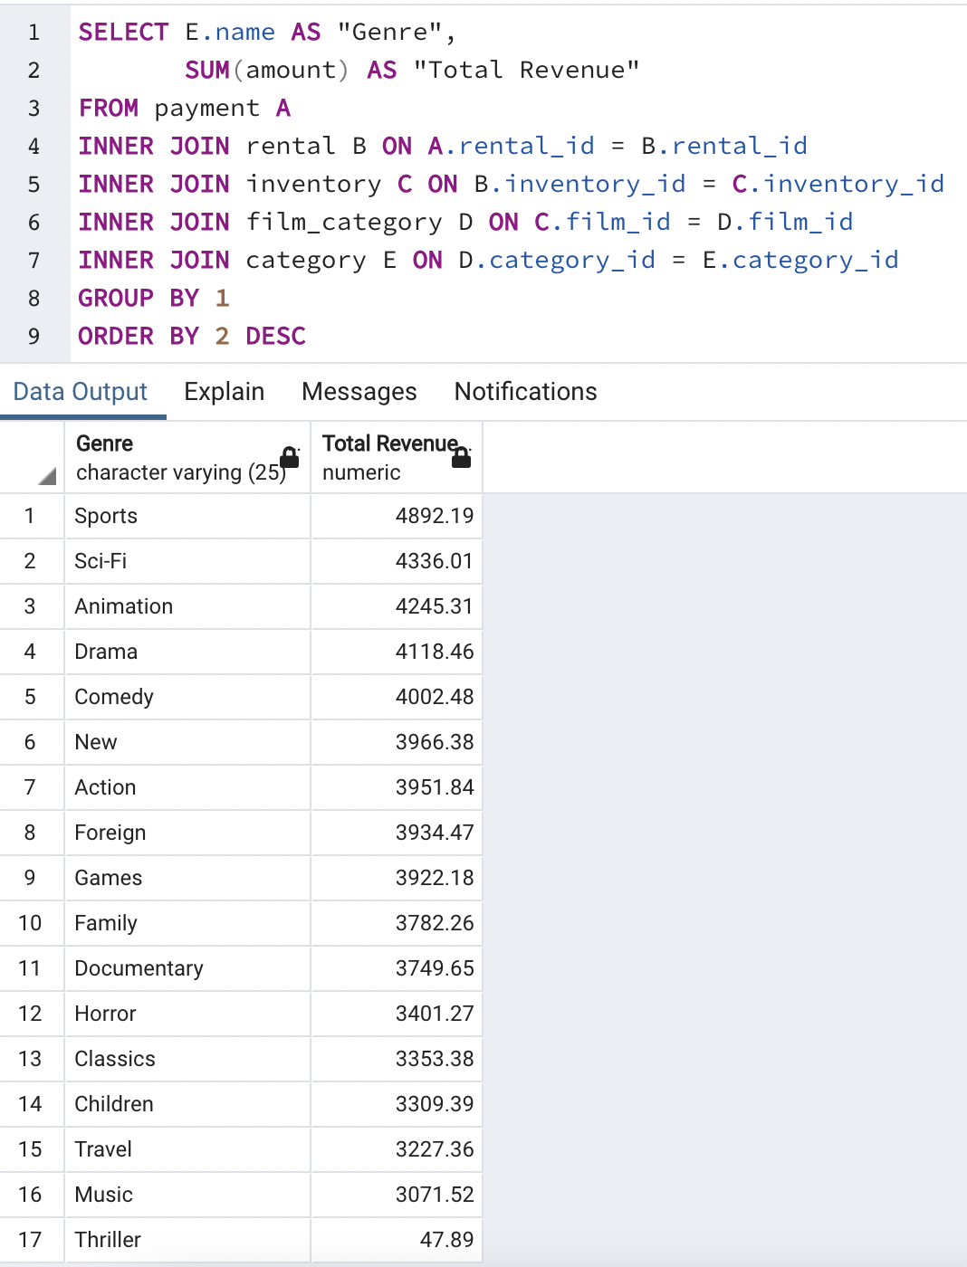
Genre | Total Revenue
Sports | 4892.19 | SQL Query for Total Revenue By Genre
Sci-Fi | 4336.01
Animation | 4245.31
Drama | 4118.46
Comedy | 4002.48
New | 3966.38
Action | 3951.84
Foreign | 3934.47
Games | 3922.18
Family | 3782.26
Documentary | 3749.65
Horror | 3401.27
Classics | 3353.38
Children | 3309.39
Travel | 3227.36
Music | 3071.52
Thriller | 47.89

Total Revenue by Country
Country | Total Revenue
India | 6034.78
China | 5251.03
United States | 3685.31
Japan | 3122.51 | SQL Query For Getting Total Revenue of Rockbuster Stealth in Movies by Country
Mexico | 2984.82
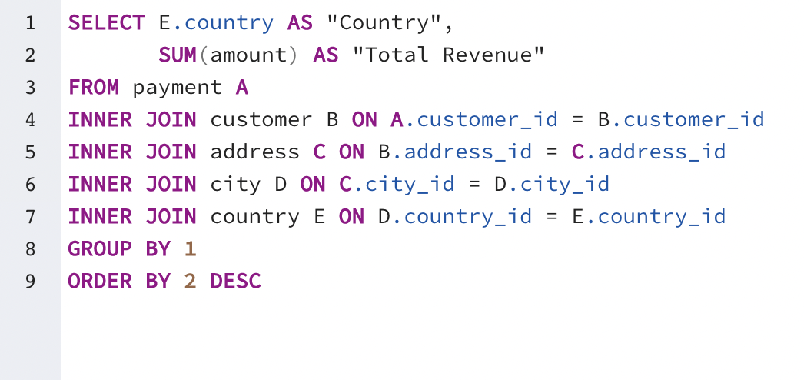
Brazil | 2919.19
Russian Federation | 2765.62
Philippines | 2219.7
Turkey | 1498.49
Indonesia | 1352.69
Nigeria | 1314.92
Argentina | 1298.8
Taiwan | 1155.1
South Africa | 1069.46
Iran | 877.96
United Kingdom | 850.96
Poland | 786.16
Italy | 753.26
Germany | 741.24
Vietnam | 676.45
Ukraine | 675.53
Colombia | 661.54
Egypt | 659.48
Venezuela | 632.43
Canada | 559.7
Netherlands | 557.73
South Korea | 527.77
Spain | 513.8
Yemen | 473.93
Pakistan | 473.84
Saudi Arabia | 452.94
...

Total Revenue by Country & City
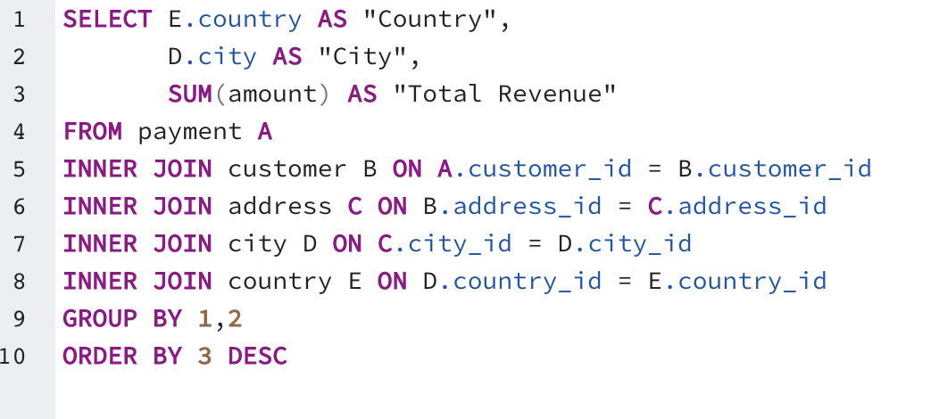
Country | City | Total Revenue | SQL Query For Getting Total Revenue of Rockbuster Stealth in Movies by Country and City
Runion | Saint-Denis | 211.55
United States | Cape Coral | 208.58
Brazil | Santa Brbara dOeste | 194.61
Netherlands | Apeldoorn | 191.62
Belarus | Molodetno | 189.6
Iran | Qomsheh | 183.63
United Kingdom | London | 174.54
United States | Memphis | 167.67
Canada | Richmond Hill | 167.62
Philippines | Tanza | 166.61
India | Valparai | 162.67
Philippines | Santa Rosa | 161.68
United States | Aurora | 159.58
Spain | Ourense (Orense) | 158.65
Yemen | Hodeida | 157.69
Philippines | Tanauan | 156.66
India | Halisahar | 154.7
India | Bijapur | 154.66
Russian Federation | Usolje-Sibirskoje | 152.69
Indonesia | Probolinggo | 152.68
Ukraine | Sumy | 151.73
China | Zhoushan | 151.69
Algeria | Skikda | 151.68
Vietnam | Cam Ranh | 149.69
Taiwan | Changhwa | 149.61
...

Top 10 Countries by Revenue
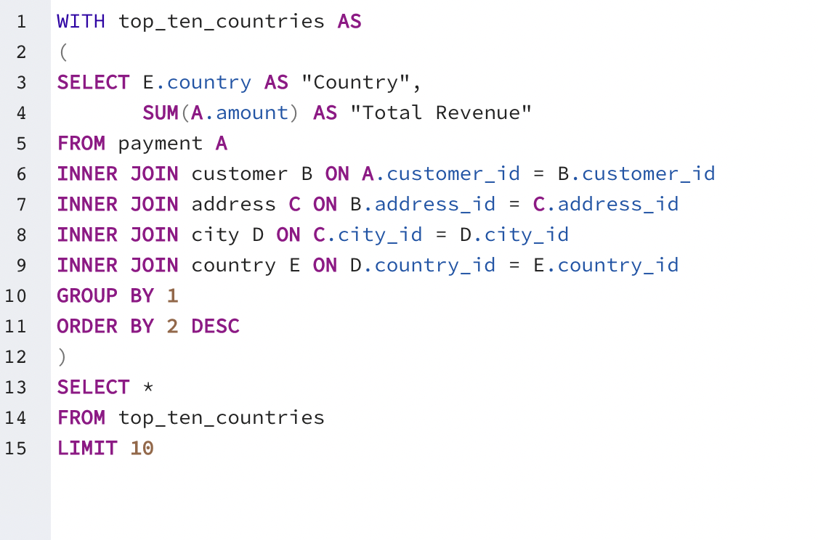
Country | Total Revenue
India | 6034.78 | SQL Query For Getting Top 10 Countries By Revenue
China | 5251.03
United States | 3685.31
Japan | 3122.51
Mexico | 2984.82
Brazil | 2919.19
Russian Federation | 2765.62
Philippines | 2219.70
Turkey | 1498.49
Indonesia | 1352.69

Top 10 Countries by # customers
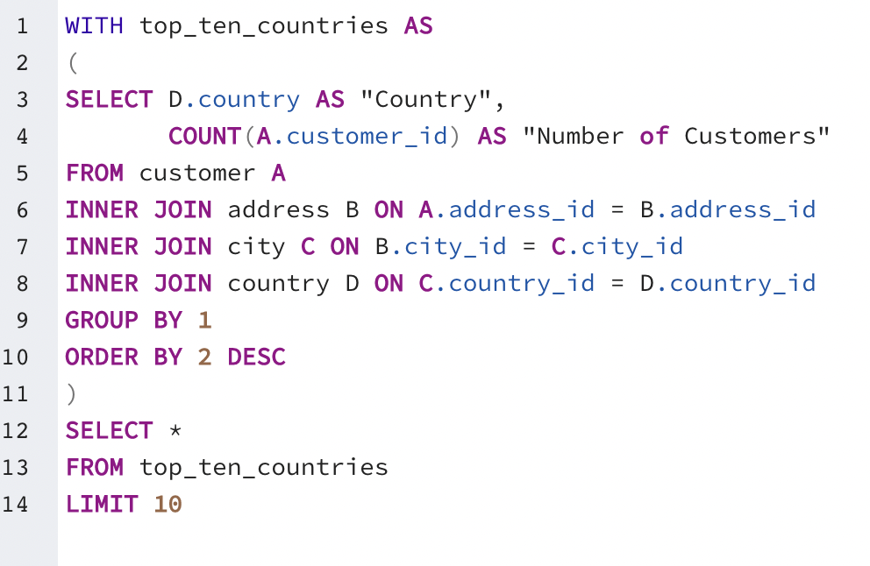
Country | Number of Customers | SQL Query For Getting Top 10 Countries by Number of Customers
India | 60
China | 53
United States | 36
Japan | 31
Mexico | 30
Brazil | 28
Russian Federation | 28
Philippines | 20
Turkey | 15
Indonesia | 14

Top 5 Customers
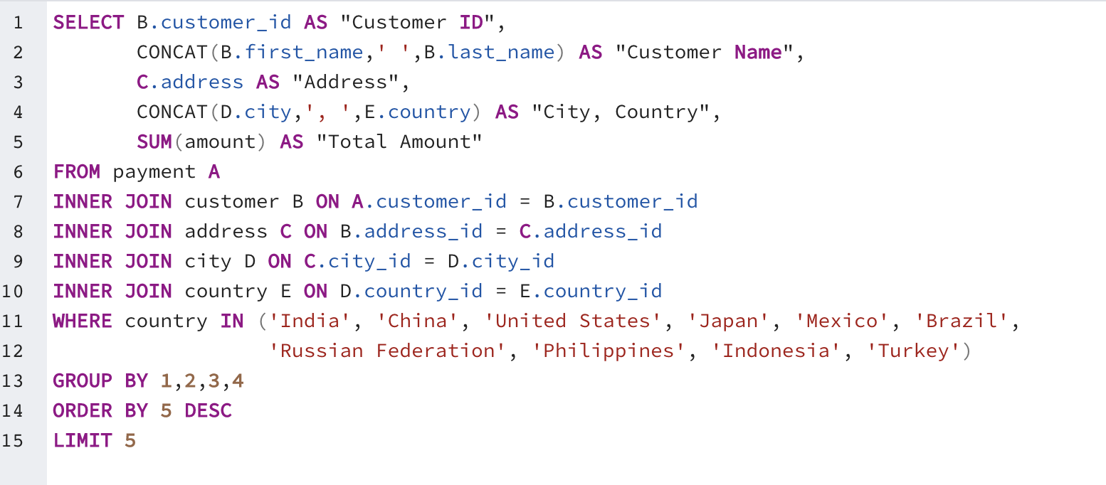
Customer ID | Customer Name | Address | City, Country | Total Amount Paid | SQL Query For Getting Top 5 Customers From Top 10 Countries (both by revenue and number of customers)
526 | Karl Seal | 1427 Tabuk Place | Cape Coral, United States | 208.58
178 | Marion Snyder | 1891 Rizhao Boulevard | Santa Brbara dOeste, Brazil | 194.61
181 | Ana Bradley | 682 Garden Grove Place | Memphis, United States | 167.67
236 | Marcia Dean | 1479 Rustenburg Boulevard | Tanza, Philippines | 166.61
403 | Mike Way | 990 Etawah Loop | Valparai, India | 162.67

Average Amount Paid Top 5 Cust.
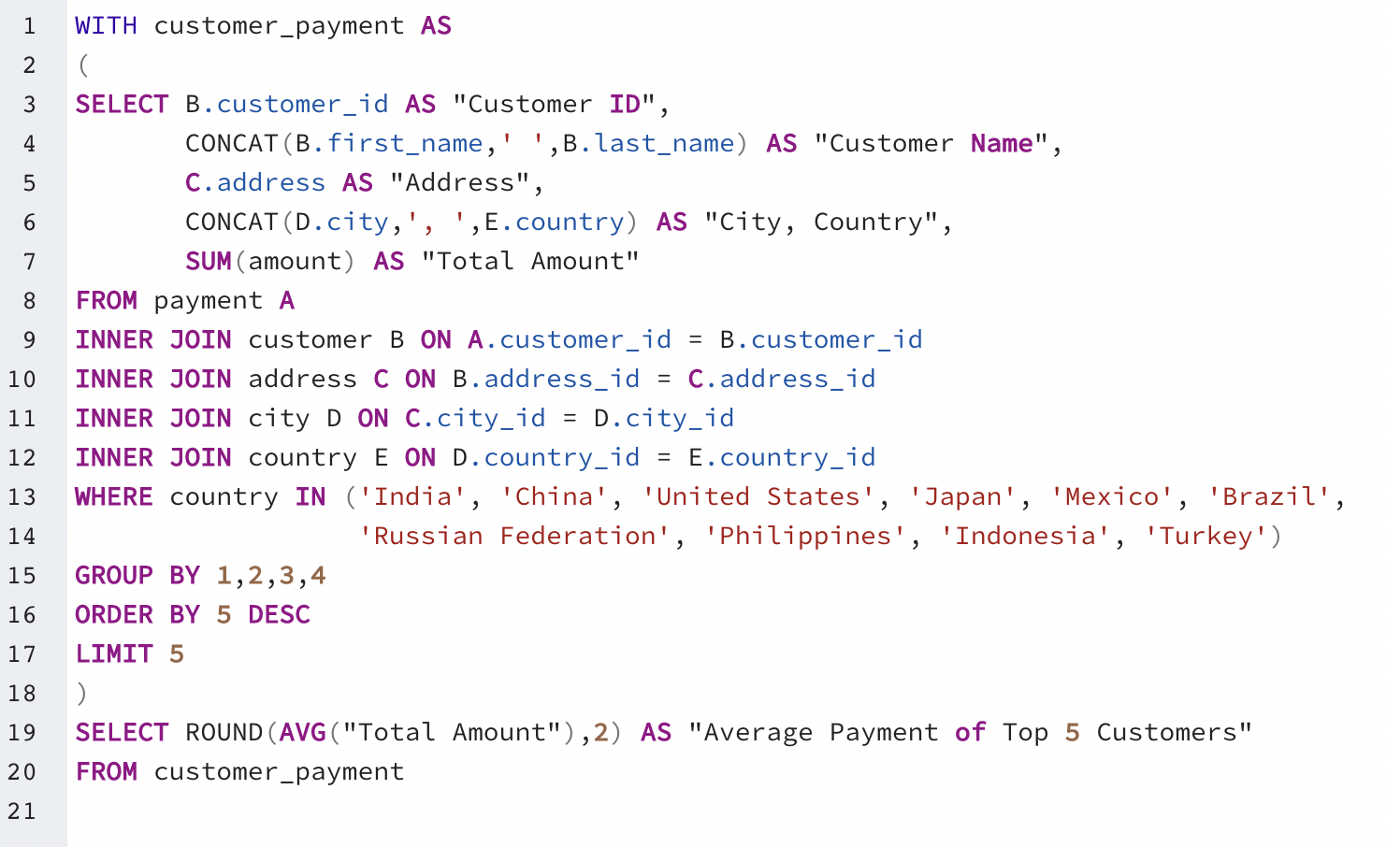
Average Payment of Top 5 Customers
180.03

